IDFs
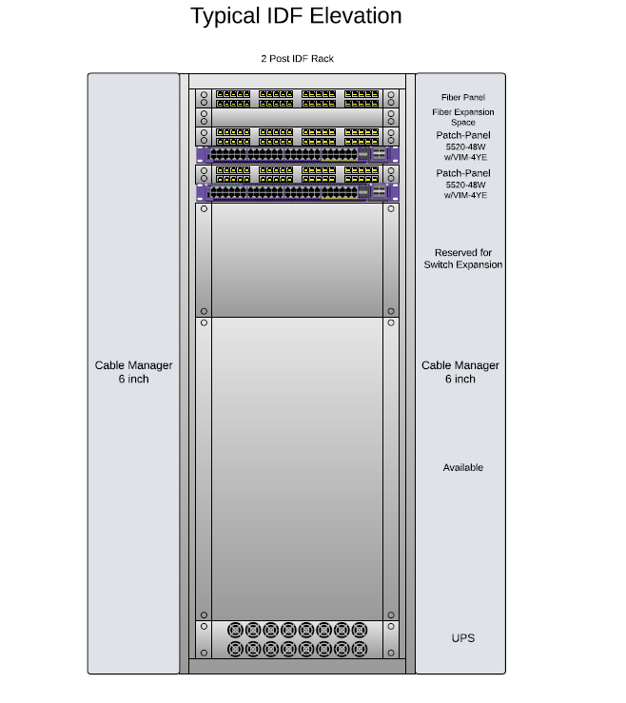
MDF / IDF | Location | Switch | Port | Transciever | Equipment / Location | Device | IP Address | VLAN | Subnet Mask | Default Gateway | Notes:
 | *** | SEE Bottom of Page for Diagram of MDF - IDF layout
MDF | MDF
 |  | FortiGate 600F Primary | HA
 |  | FortiGate 600F Primary | Mgmt
 |  | FortiGate 600F Primary | 1
 |  | FortiGate 600F Primary | 2
 |  | FortiGate 600F Primary | 3
 |  | FortiGate 600F Primary | 4
 |  | FortiGate 600F Primary | 5
 |  | FortiGate 600F Primary | 6
 |  | FortiGate 600F Primary | 7
 |  | FortiGate 600F Primary | 8
 |  | FortiGate 600F Primary | 9
 |  | FortiGate 600F Primary | 10
 |  | FortiGate 600F Primary | 11
 |  | FortiGate 600F Primary | 12
 |  | FortiGate 600F Primary | 13
 |  | FortiGate 600F Primary | 14
 |  | FortiGate 600F Primary | 15
 |  | FortiGate 600F Primary | 16
 |  | FortiGate 600F Primary | 17(SFP)
 |  | FortiGate 600F Primary | 18(SFP)
 |  | FortiGate 600F Primary | 19(SFP)
 |  | FortiGate 600F Primary | 20(SFP)
 |  | FortiGate 600F Primary | 21(SFP)
 |  | FortiGate 600F Primary | 22(SFP)
 |  | FortiGate 600F Primary | 23(SFP)
 |  | FortiGate 600F Primary | 24(SFP)
 |  | FortiGate 600F Primary | X1(SFP+)
 |  | FortiGate 600F Primary | X2(SFP+)
 |  | FortiGate 600F Primary | X3(SFP+) | 10G SR | FortiGate 600F Secondary X3 (HA)
 |  | FortiGate 600F Primary | X4(SFP+) | 10G SR | FortiGate 600F Secondary X4 (HA)
 |  | FortiGate 600F Primary | X5(SFP28 ULL) | 25G SR | Core Switch 1 Port 44
 |  | FortiGate 600F Primary | X6(SFP28 ULL) | 25G SR | Core Switch 1 Port 46
 |  | FortiGate 600F Primary | X7(SFP28 ULL) | 25G SR | Core Switch 2 Port 44
 |  | FortiGate 600F Primary | X8(SFP28 ULL) | 25G SR | Core Switch 2 Port 46

 |  | FortiGate 600F Standby | HA
 |  | FortiGate 600F Standby | Mgmt
 |  | FortiGate 600F Standby | 1
 |  | FortiGate 600F Standby | 2
 |  | FortiGate 600F Standby | 3
 |  | FortiGate 600F Standby | 4
 |  | FortiGate 600F Standby | 5
 |  | FortiGate 600F Standby | 6
 |  | FortiGate 600F Standby | 7
 |  | FortiGate 600F Standby | 8
 |  | FortiGate 600F Standby | 9
 |  | FortiGate 600F Standby | 10
 |  | FortiGate 600F Standby | 11
 |  | FortiGate 600F Standby | 12
 |  | FortiGate 600F Standby | 13
 |  | FortiGate 600F Standby | 14
 |  | FortiGate 600F Standby | 15
 |  | FortiGate 600F Standby | 16
 |  | FortiGate 600F Standby | 17(SFP)
 |  | FortiGate 600F Standby | 18(SFP)
 |  | FortiGate 600F Standby | 19(SFP)
 |  | FortiGate 600F Standby | 20(SFP)
 |  | FortiGate 600F Standby | 21(SFP)
 |  | FortiGate 600F Standby | 22(SFP)
 |  | FortiGate 600F Standby | 23(SFP)
 |  | FortiGate 600F Standby | 24(SFP)
 |  | FortiGate 600F Standby | X1(SFP+)
 |  | FortiGate 600F Standby | X2(SFP+)
 |  | FortiGate 600F Standby | X3(SFP+)
 |  | FortiGate 600F Standby | X4(SFP+)
 |  | FortiGate 600F Standby | X5(SFP28 ULL) | 25G SR | Core Switch 1 Port 45
 |  | FortiGate 600F Standby | X6(SFP28 ULL) | 25G SR | Core Switch 1 Port 47
 |  | FortiGate 600F Standby | X7(SFP28 ULL) | 25G SR | Core Switch 2 Port 45
 |  | FortiGate 600F Standby | X8(SFP28 ULL) | 25G SR | Core Switch 2 Port 47

 |  | 7520-48Y-8C (Core Switch 1) | 1(SFP28) | 25G LR | Uplink to IDF001 Switch 1 port 51
 |  | 7520-48Y-8C (Core Switch 1) | 2(SFP28) | 25G LR | Uplink to IDF002 Switch 1 Port 51
 |  | 7520-48Y-8C (Core Switch 1) | 3(SFP28) | 25G LR | Uplink to IDF006 Switch 1 Port 51
 |  | 7520-48Y-8C (Core Switch 1) | 4(SFP28) | 25G LR | Uplink to IDF107 Switch 1 Port 51
 |  | 7520-48Y-8C (Core Switch 1) | 5(SFP28) | 25G LR | Uplink to IDF108 Switch 1 Port 51
 |  | 7520-48Y-8C (Core Switch 1) | 6(SFP28) | 25G LR | Uplink to IDF109 Switch 1 Port 51
 |  | 7520-48Y-8C (Core Switch 1) | 7(SFP28) | 25G LR | Uplink to IDF005 Switch x Port x
 |  | 7520-48Y-8C (Core Switch 1) | 8(SFP28) |  | Open
 |  | 7520-48Y-8C (Core Switch 1) | 9(SFP28) |  | Open
 |  | 7520-48Y-8C (Core Switch 1) | 10(SFP28) |  | Open
 |  | 7520-48Y-8C (Core Switch 1) | 11(SFP28) |  | Open
 |  | 7520-48Y-8C (Core Switch 1) | 12(SFP28) |  | Open
 |  | 7520-48Y-8C (Core Switch 1) | 13(SFP28) |  | Open
 |  | 7520-48Y-8C (Core Switch 1) | 14(SFP28) |  | Open
 |  | 7520-48Y-8C (Core Switch 1) | 15(SFP28) |  | Open
 |  | 7520-48Y-8C (Core Switch 1) | 16(SFP28) |  | Open
 |  | 7520-48Y-8C (Core Switch 1) | 17(SFP28) |  | Open
 |  | 7520-48Y-8C (Core Switch 1) | 18(SFP28) |  | Open
 |  | 7520-48Y-8C (Core Switch 1) | 19(SFP28) |  | Open
 |  | 7520-48Y-8C (Core Switch 1) | 20(SFP28) |  | Open
 |  | 7520-48Y-8C (Core Switch 1) | 21(SFP28) |  | Open
 |  | 7520-48Y-8C (Core Switch 1) | 22(SFP28) |  | Open
 |  | 7520-48Y-8C (Core Switch 1) | 23(SFP28) |  | Open
 |  | 7520-48Y-8C (Core Switch 1) | 24(SFP28) |  | Open
 |  | 7520-48Y-8C (Core Switch 1) | 25(SFP28) |  | Open
 |  | 7520-48Y-8C (Core Switch 1) | 26(SFP28) |  | Open
 |  | 7520-48Y-8C (Core Switch 1) | 27(SFP28) |  | Open
 |  | 7520-48Y-8C (Core Switch 1) | 28(SFP28) |  | Open
 |  | 7520-48Y-8C (Core Switch 1) | 29(SFP28) |  | Open
 |  | 7520-48Y-8C (Core Switch 1) | 30(SFP28) |  | Open
 |  | 7520-48Y-8C (Core Switch 1) | 31(SFP28) |  | Open
 |  | 7520-48Y-8C (Core Switch 1) | 32(SFP28) |  | Open
 |  | 7520-48Y-8C (Core Switch 1) | 33(SFP28) |  | Open
 |  | 7520-48Y-8C (Core Switch 1) | 34(SFP28) |  | Open
 |  | 7520-48Y-8C (Core Switch 1) | 35(SFP28) |  | Open
 |  | 7520-48Y-8C (Core Switch 1) | 36(SFP28) |  | Open
 |  | 7520-48Y-8C (Core Switch 1) | 37(SFP28) |  | Open
 |  | 7520-48Y-8C (Core Switch 1) | 38(SFP28) |  | Open
 |  | 7520-48Y-8C (Core Switch 1) | 39(SFP28) |  | Open
 |  | 7520-48Y-8C (Core Switch 1) | 40(SFP28) |  | Open
 |  | 7520-48Y-8C (Core Switch 1) | 41(SFP28) |  | Open
 |  | 7520-48Y-8C (Core Switch 1) | 42(SFP28) |  | Open
 |  | 7520-48Y-8C (Core Switch 1) | 43(SFP28) |  | Open
 |  | 7520-48Y-8C (Core Switch 1) | 44(SFP28) | 25G SR | FortiGate 600F Primary X5
 |  | 7520-48Y-8C (Core Switch 1) | 45(SFP28) | 25G SR | FortiGate 600F Secondary X5
 |  | 7520-48Y-8C (Core Switch 1) | 46(SFP28) | 25G SR | FortiGate 600F Primary X6
 |  | 7520-48Y-8C (Core Switch 1) | 47(SFP28) | 25G SR | FortiGate 600F Secondary X6
 |  | 7520-48Y-8C (Core Switch 1) | 48(SFP28) | ? | Carrier 1 Handoff
 |  | 7520-48Y-8C (Core Switch 1) | 49(QSFP28) | 100G 1M DAC | Inter-Switch Link to Core Switch 2 Port 49
 |  | 7520-48Y-8C (Core Switch 1) | 50(QSFP28) | 100G 1M DAC | Inter-Switch Link to Core Switch 2 Port 50
 |  | 7520-48Y-8C (Core Switch 1) | 51(QSFP28) | 100G 1M DAC | NNI to 5720 10G SW 1
 |  | 7520-48Y-8C (Core Switch 1) | 52(QSFP28) | 100G 1M DAC | NNI to 5720 10G SW 2
 |  | 7520-48Y-8C (Core Switch 1) | 53(QSFP28)
 |  | 7520-48Y-8C (Core Switch 1) | 54(QSFP28)
 |  | 7520-48Y-8C (Core Switch 1) | 55(QSFP28) |  | System Reserved
 |  | 7520-48Y-8C (Core Switch 1) | 56(QSFP28) |  | System Reserved

 |  | 7520-48Y-8C (Core Switch 2) | 1(SFP28) | 25G LR | Uplink to IDF001 Switch 2 Port 51
 |  | 7520-48Y-8C (Core Switch 2) | 2(SFP28) | 25G LR | Uplink to IDF002 Switch 1 Port 52
 |  | 7520-48Y-8C (Core Switch 2) | 3(SFP28) | 25G LR | Uplink to IDF006 Switch 1 Port 52
 |  | 7520-48Y-8C (Core Switch 2) | 4(SFP28) | 25G LR | Uplink to IDF107 Switch 1 Port 52
 |  | 7520-48Y-8C (Core Switch 2) | 5(SFP28) | 25G LR | Uplink to IDF108 Switch 1 Port 52
 |  | 7520-48Y-8C (Core Switch 2) | 6(SFP28) | 25G LR | Uplink to IDF109 Switch 1 Port 52
 |  | 7520-48Y-8C (Core Switch 2) | 7(SFP28) | 25G LR | Uplink to IDF005 Switch 2 Port 51
 |  | 7520-48Y-8C (Core Switch 2) | 8(SFP28) |  | Open
 |  | 7520-48Y-8C (Core Switch 2) | 9(SFP28) |  | Open
 |  | 7520-48Y-8C (Core Switch 2) | 10(SFP28) |  | Open
 |  | 7520-48Y-8C (Core Switch 2) | 11(SFP28) |  | Open
 |  | 7520-48Y-8C (Core Switch 2) | 12(SFP28) |  | Open
 |  | 7520-48Y-8C (Core Switch 2) | 13(SFP28) |  | Open
 |  | 7520-48Y-8C (Core Switch 2) | 14(SFP28) |  | Open
 |  | 7520-48Y-8C (Core Switch 2) | 15(SFP28) |  | Open
 |  | 7520-48Y-8C (Core Switch 2) | 16(SFP28) |  | Open
 |  | 7520-48Y-8C (Core Switch 2) | 17(SFP28) |  | Open
 |  | 7520-48Y-8C (Core Switch 2) | 18(SFP28) |  | Open
 |  | 7520-48Y-8C (Core Switch 2) | 19(SFP28) |  | Open
 |  | 7520-48Y-8C (Core Switch 2) | 20(SFP28) |  | Open
 |  | 7520-48Y-8C (Core Switch 2) | 21(SFP28) |  | Open
 |  | 7520-48Y-8C (Core Switch 2) | 22(SFP28) |  | Open
 |  | 7520-48Y-8C (Core Switch 2) | 23(SFP28) |  | Open
 |  | 7520-48Y-8C (Core Switch 2) | 24(SFP28) |  | Open
 |  | 7520-48Y-8C (Core Switch 2) | 25(SFP28) |  | Open
 |  | 7520-48Y-8C (Core Switch 2) | 26(SFP28) |  | Open
 |  | 7520-48Y-8C (Core Switch 2) | 27(SFP28) |  | Open
 |  | 7520-48Y-8C (Core Switch 2) | 28(SFP28) |  | Open
 |  | 7520-48Y-8C (Core Switch 2) | 29(SFP28) |  | Open
 |  | 7520-48Y-8C (Core Switch 2) | 30(SFP28) |  | Open
 |  | 7520-48Y-8C (Core Switch 2) | 31(SFP28) |  | Open
 |  | 7520-48Y-8C (Core Switch 2) | 32(SFP28) |  | Open
 |  | 7520-48Y-8C (Core Switch 2) | 33(SFP28) |  | Open
 |  | 7520-48Y-8C (Core Switch 2) | 34(SFP28) |  | Open
 |  | 7520-48Y-8C (Core Switch 2) | 35(SFP28) |  | Open
 |  | 7520-48Y-8C (Core Switch 2) | 36(SFP28) |  | Open
 |  | 7520-48Y-8C (Core Switch 2) | 37(SFP28) |  | Open
 |  | 7520-48Y-8C (Core Switch 2) | 38(SFP28) |  | Open
 |  | 7520-48Y-8C (Core Switch 2) | 39(SFP28) |  | Open
 |  | 7520-48Y-8C (Core Switch 2) | 40(SFP28) |  | Open
 |  | 7520-48Y-8C (Core Switch 2) | 41(SFP28) |  | Open
 |  | 7520-48Y-8C (Core Switch 2) | 42(SFP28) |  | Open
 |  | 7520-48Y-8C (Core Switch 2) | 43(SFP28) |  | Open
 |  | 7520-48Y-8C (Core Switch 2) | 44(SFP28) | 25G SR | FortiGate 600F Primary X7
 |  | 7520-48Y-8C (Core Switch 2) | 45(SFP28) | 25G SR | FortiGate 600F Secondary X7
 |  | 7520-48Y-8C (Core Switch 2) | 46(SFP28) | 25G SR | FortiGate 600F Primary X8
 |  | 7520-48Y-8C (Core Switch 2) | 47(SFP28) | 25G SR | FortiGate 600F Secondary X8
 |  | 7520-48Y-8C (Core Switch 2) | 48(SFP28) | SFP-1G-T | Cradlepoint W2005
 |  | 7520-48Y-8C (Core Switch 2) | 49(QSFP28) | 100G 1M DAC | Inter-Switch Link to Core 1 Port 49
 |  | 7520-48Y-8C (Core Switch 2) | 50(QSFP28) | 100G 1M DAC | Inter-Switch Link to Core 1 Port 50
 |  | 7520-48Y-8C (Core Switch 2) | 51(QSFP28) | 100G 1M DAC | NNI to 5720 10G SW 1 Port 26
 |  | 7520-48Y-8C (Core Switch 2) | 52(QSFP28) | 100G 1M DAC | NNI to 5720 10G SW 2 Port 26
 |  | 7520-48Y-8C (Core Switch 2) | 53(QSFP28)
 |  | 7520-48Y-8C (Core Switch 2) | 54(QSFP28)
 |  | 7520-48Y-8C (Core Switch 2) | 55(QSFP28) |  | System Reserved
 |  | 7520-48Y-8C (Core Switch 2) | 56(QSFP28) |  | System Reserved

 |  | 5720-24MXW (MDF Server 10G Switch 1) | 1 |  | Open
 |  | 5720-24MXW (MDF Server 10G Switch 1) | 2 |  | Open
 |  | 5720-24MXW (MDF Server 10G Switch 1) | 3 |  | Open
 |  | 5720-24MXW (MDF Server 10G Switch 1) | 4 |  | Open
 |  | 5720-24MXW (MDF Server 10G Switch 1) | 5 |  | Open
 |  | 5720-24MXW (MDF Server 10G Switch 1) | 6 |  | Open
 |  | 5720-24MXW (MDF Server 10G Switch 1) | 7 |  | Open
 |  | 5720-24MXW (MDF Server 10G Switch 1) | 8 |  | Open
 |  | 5720-24MXW (MDF Server 10G Switch 1) | 9 |  | Open
 |  | 5720-24MXW (MDF Server 10G Switch 1) | 10 |  | Open
 |  | 5720-24MXW (MDF Server 10G Switch 1) | 11 |  | Open
 |  | 5720-24MXW (MDF Server 10G Switch 1) | 12 |  | Open
 |  | 5720-24MXW (MDF Server 10G Switch 1) | 13 |  | Open
 |  | 5720-24MXW (MDF Server 10G Switch 1) | 14 |  | Open
 |  | 5720-24MXW (MDF Server 10G Switch 1) | 15 |  | Open
 |  | 5720-24MXW (MDF Server 10G Switch 1) | 16 |  | Open
 |  | 5720-24MXW (MDF Server 10G Switch 1) | 17 |  | Open
 |  | 5720-24MXW (MDF Server 10G Switch 1) | 18 |  | Open
 |  | 5720-24MXW (MDF Server 10G Switch 1) | 19 |  | Open
 |  | 5720-24MXW (MDF Server 10G Switch 1) | 20 |  | Open
 |  | 5720-24MXW (MDF Server 10G Switch 1) | 21 |  | Open
 |  | 5720-24MXW (MDF Server 10G Switch 1) | 22 |  | Open
 |  | 5720-24MXW (MDF Server 10G Switch 1) | 23 |  | Open
 |  | 5720-24MXW (MDF Server 10G Switch 1) | 24 |  | Open
 |  | 5720-24MXW (MDF Server 10G Switch 1) | 25(QSFP28) | 100G 1M DAC | NNI to Core Switch 1 Port 51
 |  | 5720-24MXW (MDF Server 10G Switch 1) | 26(QSFP28) | 100G 1M DAC | NNI to Core Switch 2 Port 51

 |  | 5720-24MXW (MDF Server 10G Switch 2) | 1 |  | Open
 |  | 5720-24MXW (MDF Server 10G Switch 2) | 2 |  | Open
 |  | 5720-24MXW (MDF Server 10G Switch 2) | 3 |  | Open
 |  | 5720-24MXW (MDF Server 10G Switch 2) | 4 |  | Open
 |  | 5720-24MXW (MDF Server 10G Switch 2) | 5 |  | Open
 |  | 5720-24MXW (MDF Server 10G Switch 2) | 6 |  | Open
 |  | 5720-24MXW (MDF Server 10G Switch 2) | 7 |  | Open
 |  | 5720-24MXW (MDF Server 10G Switch 2) | 8 |  | Open
 |  | 5720-24MXW (MDF Server 10G Switch 2) | 9 |  | Open
 |  | 5720-24MXW (MDF Server 10G Switch 2) | 10 |  | Open
 |  | 5720-24MXW (MDF Server 10G Switch 2) | 11 |  | Open
 |  | 5720-24MXW (MDF Server 10G Switch 2) | 12 |  | Open
 |  | 5720-24MXW (MDF Server 10G Switch 2) | 13 |  | Open
 |  | 5720-24MXW (MDF Server 10G Switch 2) | 14 |  | Open
 |  | 5720-24MXW (MDF Server 10G Switch 2) | 15 |  | Open
 |  | 5720-24MXW (MDF Server 10G Switch 2) | 16 |  | Open
 |  | 5720-24MXW (MDF Server 10G Switch 2) | 17 |  | Open
 |  | 5720-24MXW (MDF Server 10G Switch 2) | 18 |  | Open
 |  | 5720-24MXW (MDF Server 10G Switch 2) | 19 |  | Open
 |  | 5720-24MXW (MDF Server 10G Switch 2) | 20 |  | Open
 |  | 5720-24MXW (MDF Server 10G Switch 2) | 21 |  | Open
 |  | 5720-24MXW (MDF Server 10G Switch 2) | 22 |  | Open
 |  | 5720-24MXW (MDF Server 10G Switch 2) | 23 |  | Open
 |  | 5720-24MXW (MDF Server 10G Switch 2) | 24 |  | Open
 |  | 5720-24MXW (MDF Server 10G Switch 2) | 25(QSFP28) | 100G 1M DAC | NNI to Core Switch 1 Port 52
 |  | 5720-24MXW (MDF Server 10G Switch 2) | 26(QSFP28) | 100G 1M DAC | NNI to Core Switch 2 Port 52

 |  | 5520-48W w/VIM-4YE(MDF Access Switch 1) | 1 |  | AP
 |  | 5520-48W w/VIM-4YE(MDF Access Switch 1) | 2 |  | AP
 |  | 5520-48W w/VIM-4YE(MDF Access Switch 1) | 3 |  | AP
 |  | 5520-48W w/VIM-4YE(MDF Access Switch 1) | 4 |  | AP
 |  | 5520-48W w/VIM-4YE(MDF Access Switch 1) | 5 |  | AP
 |  | 5520-48W w/VIM-4YE(MDF Access Switch 1) | 6 |  | Camera
 |  | 5520-48W w/VIM-4YE(MDF Access Switch 1) | 7 |  | Camera
 |  | 5520-48W w/VIM-4YE(MDF Access Switch 1) | 8 |  | Camera
 |  | 5520-48W w/VIM-4YE(MDF Access Switch 1) | 9 |  | Camera
 |  | 5520-48W w/VIM-4YE(MDF Access Switch 1) | 10 |  | Camera
 |  | 5520-48W w/VIM-4YE(MDF Access Switch 1) | 11 |  | Camera
 |  | 5520-48W w/VIM-4YE(MDF Access Switch 1) | 12 |  | Verkada AX11 IO Controller
 |  | 5520-48W w/VIM-4YE(MDF Access Switch 1) | 13 |  | Carrier Rack UPS
 |  | 5520-48W w/VIM-4YE(MDF Access Switch 1) | 14 |  | Carrier Rack PDU 1
 |  | 5520-48W w/VIM-4YE(MDF Access Switch 1) | 15 |  | Carrier Rack PDU 2
 |  | 5520-48W w/VIM-4YE(MDF Access Switch 1) | 16 |  | MDF Access Layer Rack UPS
 |  | 5520-48W w/VIM-4YE(MDF Access Switch 1) | 17 |  | MDF Access Layer Rack PDU 1
 |  | 5520-48W w/VIM-4YE(MDF Access Switch 1) | 18 |  | MDF Access Layer Rack PDU 2
 |  | 5520-48W w/VIM-4YE(MDF Access Switch 1) | 19 |  | Open
 |  | 5520-48W w/VIM-4YE(MDF Access Switch 1) | 20 |  | Open
 |  | 5520-48W w/VIM-4YE(MDF Access Switch 1) | 21 |  | Open
 |  | 5520-48W w/VIM-4YE(MDF Access Switch 1) | 22 |  | Open
 |  | 5520-48W w/VIM-4YE(MDF Access Switch 1) | 23 |  | Open
 |  | 5520-48W w/VIM-4YE(MDF Access Switch 1) | 24 |  | Open
 |  | 5520-48W w/VIM-4YE(MDF Access Switch 1) | 25 |  | Open
 |  | 5520-48W w/VIM-4YE(MDF Access Switch 1) | 26 |  | Open
 |  | 5520-48W w/VIM-4YE(MDF Access Switch 1) | 27 |  | Open
 |  | 5520-48W w/VIM-4YE(MDF Access Switch 1) | 28 |  | Open
 |  | 5520-48W w/VIM-4YE(MDF Access Switch 1) | 29 |  | Open
 |  | 5520-48W w/VIM-4YE(MDF Access Switch 1) | 30 |  | Open
 |  | 5520-48W w/VIM-4YE(MDF Access Switch 1) | 31 |  | Open
 |  | 5520-48W w/VIM-4YE(MDF Access Switch 1) | 32 |  | Open
 |  | 5520-48W w/VIM-4YE(MDF Access Switch 1) | 33 |  | Open
 |  | 5520-48W w/VIM-4YE(MDF Access Switch 1) | 34 |  | Open
 |  | 5520-48W w/VIM-4YE(MDF Access Switch 1) | 35 |  | Open
 |  | 5520-48W w/VIM-4YE(MDF Access Switch 1) | 36 |  | Open
 |  | 5520-48W w/VIM-4YE(MDF Access Switch 1) | 37 |  | Open
 |  | 5520-48W w/VIM-4YE(MDF Access Switch 1) | 38 |  | Open
 |  | 5520-48W w/VIM-4YE(MDF Access Switch 1) | 39 |  | Open
 |  | 5520-48W w/VIM-4YE(MDF Access Switch 1) | 40 |  | Open
 |  | 5520-48W w/VIM-4YE(MDF Access Switch 1) | 41 |  | Open
 |  | 5520-48W w/VIM-4YE(MDF Access Switch 1) | 42 |  | Open
 |  | 5520-48W w/VIM-4YE(MDF Access Switch 1) | 43 |  | Open
 |  | 5520-48W w/VIM-4YE(MDF Access Switch 1) | 44 |  | Open
 |  | 5520-48W w/VIM-4YE(MDF Access Switch 1) | 45 |  | Open
 |  | 5520-48W w/VIM-4YE(MDF Access Switch 1) | 46 |  | Open
 |  | 5520-48W w/VIM-4YE(MDF Access Switch 1) | 47 |  | Open
 |  | 5520-48W w/VIM-4YE(MDF Access Switch 1) | 48 |  | Open
 |  | 5520-48W w/VIM-4YE(MDF Access Switch 1) | 49(QSFP28) |  | System Disabled
 |  | 5520-48W w/VIM-4YE(MDF Access Switch 1) | 50(QSFP28) |  | System Disabled
 |  | 5520-48W w/VIM-4YE(MDF Access Switch 1) | 51(SFP28) | 25G 3M DAC | Uplink to Core Switch 1
 |  | 5520-48W w/VIM-4YE(MDF Access Switch 1) | 52(SFP28) | 25G 3M DAC | Uplink to Core Switch 2
 |  | 5520-48W w/VIM-4YE(MDF Access Switch 1) | 53(SFP28)
 |  | 5520-48W w/VIM-4YE(MDF Access Switch 1) | 54(SFP28)

 |  | 5520-48W w/VIM-4YE(MDF Access Switch 2) | 1 |  | AP
 |  | 5520-48W w/VIM-4YE(MDF Access Switch 2) | 2 |  | AP
 |  | 5520-48W w/VIM-4YE(MDF Access Switch 2) | 3 |  | AP
 |  | 5520-48W w/VIM-4YE(MDF Access Switch 2) | 4 |  | AP
 |  | 5520-48W w/VIM-4YE(MDF Access Switch 2) | 5 |  | AP
 |  | 5520-48W w/VIM-4YE(MDF Access Switch 2) | 6 |  | Camera
 |  | 5520-48W w/VIM-4YE(MDF Access Switch 2) | 7 |  | Camera
 |  | 5520-48W w/VIM-4YE(MDF Access Switch 2) | 8 |  | Camera
 |  | 5520-48W w/VIM-4YE(MDF Access Switch 2) | 9 |  | Camera
 |  | 5520-48W w/VIM-4YE(MDF Access Switch 2) | 10 |  | Camera
 |  | 5520-48W w/VIM-4YE(MDF Access Switch 2) | 11 |  | Camera
 |  | 5520-48W w/VIM-4YE(MDF Access Switch 2) | 12 |  | MDF Server Rack UPS
 |  | 5520-48W w/VIM-4YE(MDF Access Switch 2) | 13 |  | MDF Server Rack PDU 1
 |  | 5520-48W w/VIM-4YE(MDF Access Switch 2) | 14 |  | MDF Server Rack PDU 2
 |  | 5520-48W w/VIM-4YE(MDF Access Switch 2) | 15 |  | Open
 |  | 5520-48W w/VIM-4YE(MDF Access Switch 2) | 16 |  | Open
 |  | 5520-48W w/VIM-4YE(MDF Access Switch 2) | 17 |  | Open
 |  | 5520-48W w/VIM-4YE(MDF Access Switch 2) | 18 |  | Open
 |  | 5520-48W w/VIM-4YE(MDF Access Switch 2) | 19 |  | Open
 |  | 5520-48W w/VIM-4YE(MDF Access Switch 2) | 20 |  | Open
 |  | 5520-48W w/VIM-4YE(MDF Access Switch 2) | 21 |  | Open
 |  | 5520-48W w/VIM-4YE(MDF Access Switch 2) | 22 |  | Open
 |  | 5520-48W w/VIM-4YE(MDF Access Switch 2) | 23 |  | Open
 |  | 5520-48W w/VIM-4YE(MDF Access Switch 2) | 24 |  | Open
 |  | 5520-48W w/VIM-4YE(MDF Access Switch 2) | 25 |  | Open
 |  | 5520-48W w/VIM-4YE(MDF Access Switch 2) | 26 |  | Open
 |  | 5520-48W w/VIM-4YE(MDF Access Switch 2) | 27 |  | Open
 |  | 5520-48W w/VIM-4YE(MDF Access Switch 2) | 28 |  | Open
 |  | 5520-48W w/VIM-4YE(MDF Access Switch 2) | 29 |  | Open
 |  | 5520-48W w/VIM-4YE(MDF Access Switch 2) | 30 |  | Open
 |  | 5520-48W w/VIM-4YE(MDF Access Switch 2) | 31 |  | Open
 |  | 5520-48W w/VIM-4YE(MDF Access Switch 2) | 32 |  | Open
 |  | 5520-48W w/VIM-4YE(MDF Access Switch 2) | 33 |  | Open
 |  | 5520-48W w/VIM-4YE(MDF Access Switch 2) | 34 |  | Open
 |  | 5520-48W w/VIM-4YE(MDF Access Switch 2) | 35 |  | Open
 |  | 5520-48W w/VIM-4YE(MDF Access Switch 2) | 36 |  | Open
 |  | 5520-48W w/VIM-4YE(MDF Access Switch 2) | 37 |  | Open
 |  | 5520-48W w/VIM-4YE(MDF Access Switch 2) | 38 |  | Open
 |  | 5520-48W w/VIM-4YE(MDF Access Switch 2) | 39 |  | Open
 |  | 5520-48W w/VIM-4YE(MDF Access Switch 2) | 40 |  | Open
 |  | 5520-48W w/VIM-4YE(MDF Access Switch 2) | 41 |  | Open
 |  | 5520-48W w/VIM-4YE(MDF Access Switch 2) | 42 |  | Open
 |  | 5520-48W w/VIM-4YE(MDF Access Switch 2) | 43 |  | Open
 |  | 5520-48W w/VIM-4YE(MDF Access Switch 2) | 44 |  | Open
 |  | 5520-48W w/VIM-4YE(MDF Access Switch 2) | 45 |  | Open
 |  | 5520-48W w/VIM-4YE(MDF Access Switch 2) | 46 |  | Open
 |  | 5520-48W w/VIM-4YE(MDF Access Switch 2) | 47 |  | Open
 |  | 5520-48W w/VIM-4YE(MDF Access Switch 2) | 48 |  | Open
 |  | 5520-48W w/VIM-4YE(MDF Access Switch 2) | 49(QSFP28) |  | System Disabled
 |  | 5520-48W w/VIM-4YE(MDF Access Switch 2) | 50(QSFP28) |  | System Disabled
 |  | 5520-48W w/VIM-4YE(MDF Access Switch 2) | 51(SFP28) | 25G 3M DAC | Uplink to Core switch 1
 |  | 5520-48W w/VIM-4YE(MDF Access Switch 2) | 52(SFP28) | 25G 3M DAC | Uplink to Core Switch 2
 |  | 5520-48W w/VIM-4YE(MDF Access Switch 2) | 53(SFP28)
 |  | 5520-48W w/VIM-4YE(MDF Access Switch 2) | 54(SFP28)

IDF001 | MCC Room 251 |  |  |  |  | 65
 |  | 5520-48W w/VIM-4YE (IDF001 Switch 1) | 1 |  | Fiber MDF
 |  | 5520-48W w/VIM-4YE (IDF001 Switch 1) | 2 |  | Fiber IDF003
 |  | 5520-48W w/VIM-4YE (IDF001 Switch 1) | 3 |  | IDF003
 |  | 5520-48W w/VIM-4YE (IDF001 Switch 1) | 4 |  | MCC03 - 1F | Spare
 |  | 5520-48W w/VIM-4YE (IDF001 Switch 1) | 5 |  | MCC03 - 1G | PMP-2000
 |  | 5520-48W w/VIM-4YE (IDF001 Switch 1) | 6 |  | MCC03 - 1L | Spare
 |  | 5520-48W w/VIM-4YE (IDF001 Switch 1) | 7 |  | MCC03 - 2A | AGI-2014
 |  | 5520-48W w/VIM-4YE (IDF001 Switch 1) | 8 |  | MCC03 - 2F | AGI-2021
 |  | 5520-48W w/VIM-4YE (IDF001 Switch 1) | 9 |  | MCC03 - 2L | Spare
 |  | 5520-48W w/VIM-4YE (IDF001 Switch 1) | 10 |  | MCC03 - 3A | PMP-2020
 |  | 5520-48W w/VIM-4YE (IDF001 Switch 1) | 11 |  | MCC03 - 3E | AGI-2042
 |  | 5520-48W w/VIM-4YE (IDF001 Switch 1) | 12 |  | MCC03 - 3J | Spare
 |  | 5520-48W w/VIM-4YE (IDF001 Switch 1) | 13 |  | MCC03 - 3L | Spare
 |  | 5520-48W w/VIM-4YE (IDF001 Switch 1) | 14 |  | MCC03 - 4A | PMP-2030
 |  | 5520-48W w/VIM-4YE (IDF001 Switch 1) | 15 |  | MCC03 - 5A | AGI-3017
 |  | 5520-48W w/VIM-4YE (IDF001 Switch 1) | 16 |  | MCC03 - 5E | AGI-3027
 |  | 5520-48W w/VIM-4YE (IDF001 Switch 1) | 17 |  | MCC03 - 5J | AGI-3037
 |  | 5520-48W w/VIM-4YE (IDF001 Switch 1) | 18 |  | MCC03 - 6A | AGI-3047
 |  | 5520-48W w/VIM-4YE (IDF001 Switch 1) | 19 |  | MCC03 - 6E | AGI-3057
 |  | 5520-48W w/VIM-4YE (IDF001 Switch 1) | 20 |  | MCC03 - 6J | AGI-3067
 |  | 5520-48W w/VIM-4YE (IDF001 Switch 1) | 21 |  | MCC03 - 7A | AGI-3077
 |  | 5520-48W w/VIM-4YE (IDF001 Switch 1) | 22 |  | MCC03 - 7E | AGI-3087
 |  | 5520-48W w/VIM-4YE (IDF001 Switch 1) | 23 |  | MCC03 - 7J | AGI-3097
 |  | 5520-48W w/VIM-4YE (IDF001 Switch 1) | 24 |  | MCC03 - 8A | AGI-3107
 |  | 5520-48W w/VIM-4YE (IDF001 Switch 1) | 25 |  | MCC03 - 8E | AGI-3117
 |  | 5520-48W w/VIM-4YE (IDF001 Switch 1) | 26 |  | MCC03 - 8J | AGI-3127
 |  | 5520-48W w/VIM-4YE (IDF001 Switch 1) | 27 |  | MCC03 - 9A | AGI-3137
 |  | 5520-48W w/VIM-4YE (IDF001 Switch 1) | 28 |  | MCC03 - 9E | AGI-3147
 |  | 5520-48W w/VIM-4YE (IDF001 Switch 1) | 29 |  | MCC03 - 9J | PMP-4210
 |  | 5520-48W w/VIM-4YE (IDF001 Switch 1) | 30 |  | MCC03 - 10A | PMP-7000
 |  | 5520-48W w/VIM-4YE (IDF001 Switch 1) | 31 |  | MCC03 - 10E | Spare
 |  | 5520-48W w/VIM-4YE (IDF001 Switch 1) | 32 |  | MCC03 - 10G | Spare
 |  | 5520-48W w/VIM-4YE (IDF001 Switch 1) | 33 |  | MCC03 - 10J | Spare
 |  | 5520-48W w/VIM-4YE (IDF001 Switch 1) | 34 |  | MCC03 - 10L | Spare
 |  | 5520-48W w/VIM-4YE (IDF001 Switch 1) | 35 |  | MCC05 - 1F | Spare
 |  | 5520-48W w/VIM-4YE (IDF001 Switch 1) | 36 |  | MCC05 - 1G | PMP-3114A
 |  | 5520-48W w/VIM-4YE (IDF001 Switch 1) | 37 |  | MCC05 - 2A | PMP-3114B
 |  | 5520-48W w/VIM-4YE (IDF001 Switch 1) | 38 |  | MCC05 - 2G | PMP-4000A
 |  | 5520-48W w/VIM-4YE (IDF001 Switch 1) | 39 |  | MCC05 - 2L | AGI-4051
 |  | 5520-48W w/VIM-4YE (IDF001 Switch 1) | 40 |  | MCC05 - 3A | PMP-4000B
 |  | 5520-48W w/VIM-4YE (IDF001 Switch 1) | 41 |  | MCC05 - 3E | AGI-4007
 |  | 5520-48W w/VIM-4YE (IDF001 Switch 1) | 42 |  | MCC05 - 3J | PMP-4100A
 |  | 5520-48W w/VIM-4YE (IDF001 Switch 1) | 43 |  | MCC05 - 3L | PMP-4100B
 |  | 5520-48W w/VIM-4YE (IDF001 Switch 1) | 44 |  | MCC05 - 4A | PMP-4010A
 |  | 5520-48W w/VIM-4YE (IDF001 Switch 1) | 45 |  | MCC05 - 4G | PMP-4010B
 |  | 5520-48W w/VIM-4YE (IDF001 Switch 1) | 46 |  | MCC05 - 5A | PMP-4130A
 |  | 5520-48W w/VIM-4YE (IDF001 Switch 1) | 47 |  | MCC05 - 5C | PMP-4130B
 |  | 5520-48W w/VIM-4YE (IDF001 Switch 1) | 48 |  | MCC05 - 5E | PMP-4210
 |  | 5520-48W w/VIM-4YE (IDF001 Switch 1) | 49(QSFP28)
 |  | 5520-48W w/VIM-4YE (IDF001 Switch 1) | 50(QSFP28)
 |  | 5520-48W w/VIM-4YE (IDF001 Switch 1) | 51(SFP28) | 25G LR | Fiber Uplink to Core Switch 1 Port 1
 |  | 5520-48W w/VIM-4YE (IDF001 Switch 1) | 52(SFP28) | 25G LR | Fiber Uplink to IDF003 Switch 1 Port 51
 |  | 5520-48W w/VIM-4YE (IDF001 Switch 1) | 53(SFP28) | 10G LR | Fiber Uplink to ECP301 ISW (FA)
 |  | 5520-48W w/VIM-4YE (IDF001 Switch 1) | 54(SFP28) | 1M 25G DAC | NNI Link to IDF001 Switch 2 Port 54

 |  | 5520-48W w/VIM-4YE (IDF001 Switch 2) | 1 |  | MCC05 - 5J | PMP-4240
 |  | 5520-48W w/VIM-4YE (IDF001 Switch 2) | 2 |  | MCC05 - 6A | AGI-4061 -Phase II
 |  | 5520-48W w/VIM-4YE (IDF001 Switch 2) | 3 |  | MCC05 - 6C | PMP-4140
 |  | 5520-48W w/VIM-4YE (IDF001 Switch 2) | 4 |  | MCC05 - 6E | AGI-4300
 |  | 5520-48W w/VIM-4YE (IDF001 Switch 2) | 5 |  | MCC05 - 6G | PMP-4355A
 |  | 5520-48W w/VIM-4YE (IDF001 Switch 2) | 6 |  | MCC05 - 6M | Spare
 |  | 5520-48W w/VIM-4YE (IDF001 Switch 2) | 7 |  | MCC05 - 7A | PMP-4355B
 |  | 5520-48W w/VIM-4YE (IDF001 Switch 2) | 8 |  | MCC05 - 7F | PMP-4301
 |  | 5520-48W w/VIM-4YE (IDF001 Switch 2) | 9 |  | MCC05 - 7L | AGI-4350
 |  | 5520-48W w/VIM-4YE (IDF001 Switch 2) | 10 |  | ECP-200
 |  | 5520-48W w/VIM-4YE (IDF001 Switch 2) | 11 |  | ECP-201
 |  | 5520-48W w/VIM-4YE (IDF001 Switch 2) | 12 |  | ECP-202
 |  | 5520-48W w/VIM-4YE (IDF001 Switch 2) | 13 |  | ECP-300
 |  | 5520-48W w/VIM-4YE (IDF001 Switch 2) | 14 |  | ECP-301
 |  | 5520-48W w/VIM-4YE (IDF001 Switch 2) | 15 |  | ECP-302
 |  | 5520-48W w/VIM-4YE (IDF001 Switch 2) | 16 |  | Still Operator | HMI
 |  | 5520-48W w/VIM-4YE (IDF001 Switch 2) | 17 |  | Fermentation | HMI
 |  | 5520-48W w/VIM-4YE (IDF001 Switch 2) | 18 |  | MAC Equipment01
 |  | 5520-48W w/VIM-4YE (IDF001 Switch 2) | 19 |  | MAC Equipment02
 |  | 5520-48W w/VIM-4YE (IDF001 Switch 2) | 20 |  | Anton Parr Inline Proof Meter
 |  | 5520-48W w/VIM-4YE (IDF001 Switch 2) | 21 |  | AP
 |  | 5520-48W w/VIM-4YE (IDF001 Switch 2) | 22 |  | AP
 |  | 5520-48W w/VIM-4YE (IDF001 Switch 2) | 23 |  | AP
 |  | 5520-48W w/VIM-4YE (IDF001 Switch 2) | 24 |  | AP
 |  | 5520-48W w/VIM-4YE (IDF001 Switch 2) | 25 |  | Camera
 |  | 5520-48W w/VIM-4YE (IDF001 Switch 2) | 26 |  | Camera
 |  | 5520-48W w/VIM-4YE (IDF001 Switch 2) | 27 |  | Camera
 |  | 5520-48W w/VIM-4YE (IDF001 Switch 2) | 28 |  | Camera
 |  | 5520-48W w/VIM-4YE (IDF001 Switch 2) | 29 |  | Camera
 |  | 5520-48W w/VIM-4YE (IDF001 Switch 2) | 30 |  | Camera
 |  | 5520-48W w/VIM-4YE (IDF001 Switch 2) | 31 |  | Camera
 |  | 5520-48W w/VIM-4YE (IDF001 Switch 2) | 32 |  | Camera
 |  | 5520-48W w/VIM-4YE (IDF001 Switch 2) | 33 |  | Camera
 |  | 5520-48W w/VIM-4YE (IDF001 Switch 2) | 34 |  | Camera
 |  | 5520-48W w/VIM-4YE (IDF001 Switch 2) | 35 |  | Camera
 |  | 5520-48W w/VIM-4YE (IDF001 Switch 2) | 36 |  | Open
 |  | 5520-48W w/VIM-4YE (IDF001 Switch 2) | 37 |  | Open
 |  | 5520-48W w/VIM-4YE (IDF001 Switch 2) | 38 |  | Open
 |  | 5520-48W w/VIM-4YE (IDF001 Switch 2) | 39 |  | Open
 |  | 5520-48W w/VIM-4YE (IDF001 Switch 2) | 40 |  | Open
 |  | 5520-48W w/VIM-4YE (IDF001 Switch 2) | 41 |  | Open
 |  | 5520-48W w/VIM-4YE (IDF001 Switch 2) | 42 |  | Open
 |  | 5520-48W w/VIM-4YE (IDF001 Switch 2) | 43 |  | Open
 |  | 5520-48W w/VIM-4YE (IDF001 Switch 2) | 44 |  | Open
 |  | 5520-48W w/VIM-4YE (IDF001 Switch 2) | 45 |  | Open
 |  | 5520-48W w/VIM-4YE (IDF001 Switch 2) | 46 |  | Open
 |  | 5520-48W w/VIM-4YE (IDF001 Switch 2) | 47 |  | Open
 |  | 5520-48W w/VIM-4YE (IDF001 Switch 2) | 48 |  | Open
 |  | 5520-48W w/VIM-4YE (IDF001 Switch 2) | 49(QSFP28) |  | System Disabled
 |  | 5520-48W w/VIM-4YE (IDF001 Switch 2) | 50(QSFP28) |  | System Disabled
 |  | 5520-48W w/VIM-4YE (IDF001 Switch 2) | 51(SFP28) | 25G LR | Fiber Uplink to Core Switch 2 Port 1
 |  | 5520-48W w/VIM-4YE (IDF001 Switch 2) | 52(SFP28) | 25G LR | Fiber Uplink to IDF003 Switch 1 Port 52
 |  | 5520-48W w/VIM-4YE (IDF001 Switch 2) | 53(SFP28) | 10G LR | Fiber Uplink to ECP201 ISW (FA)
 |  | 5520-48W w/VIM-4YE (IDF001 Switch 2) | 54(SFP28) | 1M 25G DAC | NNI Link to IDF001 Switch 1 Port 54

IDF002 | Electrical Room - 305
 |  | 5520-48W w/VIM-4YE (IDF002 Switch 1) | 1 |  | AP
 |  | 5520-48W w/VIM-4YE (IDF002 Switch 1) | 2 |  | AP
 | Add ECP-200,201,&202 | 5520-48W w/VIM-4YE (IDF002 Switch 1) | 3 |  | Camera
 |  | 5520-48W w/VIM-4YE (IDF002 Switch 1) | 4 |  | Camera
 |  | 5520-48W w/VIM-4YE (IDF002 Switch 1) | 5 |  | Camera
 |  | 5520-48W w/VIM-4YE (IDF002 Switch 1) | 6 |  | Camera
 |  | 5520-48W w/VIM-4YE (IDF002 Switch 1) | 7 |  | Camera
 |  | 5520-48W w/VIM-4YE (IDF002 Switch 1) | 8 |  | Camera
 |  | 5520-48W w/VIM-4YE (IDF002 Switch 1) | 9 |  | Camera
 |  | 5520-48W w/VIM-4YE (IDF002 Switch 1) | 10 |  | Open
 |  | 5520-48W w/VIM-4YE (IDF002 Switch 1) | 11 |  | Open
 |  | 5520-48W w/VIM-4YE (IDF002 Switch 1) | 12 |  | Open
 |  | 5520-48W w/VIM-4YE (IDF002 Switch 1) | 13 |  | Open
 |  | 5520-48W w/VIM-4YE (IDF002 Switch 1) | 14 |  | Open
 |  | 5520-48W w/VIM-4YE (IDF002 Switch 1) | 15 |  | Open
 |  | 5520-48W w/VIM-4YE (IDF002 Switch 1) | 16 |  | Open
 |  | 5520-48W w/VIM-4YE (IDF002 Switch 1) | 17 |  | Open
 |  | 5520-48W w/VIM-4YE (IDF002 Switch 1) | 18 |  | Open
 |  | 5520-48W w/VIM-4YE (IDF002 Switch 1) | 19 |  | Open
 |  | 5520-48W w/VIM-4YE (IDF002 Switch 1) | 20 |  | Open
 |  | 5520-48W w/VIM-4YE (IDF002 Switch 1) | 21 |  | Open
 |  | 5520-48W w/VIM-4YE (IDF002 Switch 1) | 22 |  | Open
 |  | 5520-48W w/VIM-4YE (IDF002 Switch 1) | 23 |  | Open
 |  | 5520-48W w/VIM-4YE (IDF002 Switch 1) | 24 |  | Open
 |  | 5520-48W w/VIM-4YE (IDF002 Switch 1) | 25 |  | Open
 |  | 5520-48W w/VIM-4YE (IDF002 Switch 1) | 26 |  | Open
 |  | 5520-48W w/VIM-4YE (IDF002 Switch 1) | 27 |  | Open
 |  | 5520-48W w/VIM-4YE (IDF002 Switch 1) | 28 |  | Open
 |  | 5520-48W w/VIM-4YE (IDF002 Switch 1) | 29 |  | Open
 |  | 5520-48W w/VIM-4YE (IDF002 Switch 1) | 30 |  | Open
 |  | 5520-48W w/VIM-4YE (IDF002 Switch 1) | 31 |  | Open
 |  | 5520-48W w/VIM-4YE (IDF002 Switch 1) | 32 |  | Open
 |  | 5520-48W w/VIM-4YE (IDF002 Switch 1) | 33 |  | Open
 |  | 5520-48W w/VIM-4YE (IDF002 Switch 1) | 34 |  | Open
 |  | 5520-48W w/VIM-4YE (IDF002 Switch 1) | 35 |  | Open
 |  | 5520-48W w/VIM-4YE (IDF002 Switch 1) | 36 |  | Open
 |  | 5520-48W w/VIM-4YE (IDF002 Switch 1) | 37 |  | Open
 |  | 5520-48W w/VIM-4YE (IDF002 Switch 1) | 38 |  | Open
 |  | 5520-48W w/VIM-4YE (IDF002 Switch 1) | 39 |  | Open
 |  | 5520-48W w/VIM-4YE (IDF002 Switch 1) | 40 |  | Open
 |  | 5520-48W w/VIM-4YE (IDF002 Switch 1) | 41 |  | Open
 |  | 5520-48W w/VIM-4YE (IDF002 Switch 1) | 42 |  | Open
 |  | 5520-48W w/VIM-4YE (IDF002 Switch 1) | 43 |  | Open
 |  | 5520-48W w/VIM-4YE (IDF002 Switch 1) | 44 |  | Open
 |  | 5520-48W w/VIM-4YE (IDF002 Switch 1) | 45 |  | Open
 |  | 5520-48W w/VIM-4YE (IDF002 Switch 1) | 46 |  | Open
 |  | 5520-48W w/VIM-4YE (IDF002 Switch 1) | 47 |  | Open
 |  | 5520-48W w/VIM-4YE (IDF002 Switch 1) | 48 |  | Open
 |  | 5520-48W w/VIM-4YE (IDF002 Switch 1) | 49(QSFP28) |  | System Disabled
 |  | 5520-48W w/VIM-4YE (IDF002 Switch 1) | 50(QSFP28) |  | System Disabled
 |  | 5520-48W w/VIM-4YE (IDF002 Switch 1) | 51(SFP28) | 25G LR | Uplink to Core Switch 1 Port 2
 |  | 5520-48W w/VIM-4YE (IDF002 Switch 1) | 52(SFP28) | 25G LR | Uplink to Core Switch 2 Port 2
 |  | 5520-48W w/VIM-4YE (IDF002 Switch 1) | 53(SFP28)
 |  | 5520-48W w/VIM-4YE (IDF002 Switch 1) | 54(SFP28)

IDF003 | Water Treatment Building |  |  |  |  | 18
 |  | 5520-48W w/VIM-4YE (IDF003 Switch 1) | 1 |  | MCC12-1F | Spare
 |  | 5520-48W w/VIM-4YE (IDF003 Switch 1) | 2 |  | MCC12 - 1H | PMP-6020
 |  | 5520-48W w/VIM-4YE (IDF003 Switch 1) | 3 |  | MCC12 - 2A | BLW-6030
 |  | 5520-48W w/VIM-4YE (IDF003 Switch 1) | 4 |  | MCC12 - 2G | PMP-4401
 |  | 5520-48W w/VIM-4YE (IDF003 Switch 1) | 5 |  | MCC12 - 3A | AGI-4310
 |  | 5520-48W w/VIM-4YE (IDF003 Switch 1) | 6 |  | MCC12 - 3E | AGI-4320
 |  | 5520-48W w/VIM-4YE (IDF003 Switch 1) | 7 |  | MCC12 - 3J | AGI-4330
 |  | 5520-48W w/VIM-4YE (IDF003 Switch 1) | 8 |  | MCC12 - 4A | AGI-4340
 |  | 5520-48W w/VIM-4YE (IDF003 Switch 1) | 9 |  | MCC12 - 4E | AGI-6021
 |  | 5520-48W w/VIM-4YE (IDF003 Switch 1) | 10 |  | MCC12 - 4G | Spare
 |  | 5520-48W w/VIM-4YE (IDF003 Switch 1) | 11 |  | MCC12 - 4J | Spare
 |  | 5520-48W w/VIM-4YE (IDF003 Switch 1) | 12 |  | MCC12 - 4L | Spare
 |  | 5520-48W w/VIM-4YE (IDF003 Switch 1) | 13 |  | ECP400
 |  | 5520-48W w/VIM-4YE (IDF003 Switch 1) | 14 |  | WWTB Operator | HMI
 |  | 5520-48W w/VIM-4YE (IDF003 Switch 1) | 15 |  | AP
 |  | 5520-48W w/VIM-4YE (IDF003 Switch 1) | 16 |  | AP
 |  | 5520-48W w/VIM-4YE (IDF003 Switch 1) | 17 |  | Camera
 |  | 5520-48W w/VIM-4YE (IDF003 Switch 1) | 18 |  | Camera
 |  | 5520-48W w/VIM-4YE (IDF003 Switch 1) | 19 |  | Camera
 |  | 5520-48W w/VIM-4YE (IDF003 Switch 1) | 20 |  | Camera
 |  | 5520-48W w/VIM-4YE (IDF003 Switch 1) | 21 |  | Camera
 |  | 5520-48W w/VIM-4YE (IDF003 Switch 1) | 22 |  | Camera
 |  | 5520-48W w/VIM-4YE (IDF003 Switch 1) | 23 |  | Open
 |  | 5520-48W w/VIM-4YE (IDF003 Switch 1) | 24 |  | Open
 |  | 5520-48W w/VIM-4YE (IDF003 Switch 1) | 25 |  | Open
 |  | 5520-48W w/VIM-4YE (IDF003 Switch 1) | 26 |  | Open
 |  | 5520-48W w/VIM-4YE (IDF003 Switch 1) | 27 |  | Open
 |  | 5520-48W w/VIM-4YE (IDF003 Switch 1) | 28 |  | Open
 |  | 5520-48W w/VIM-4YE (IDF003 Switch 1) | 29 |  | Open
 |  | 5520-48W w/VIM-4YE (IDF003 Switch 1) | 30 |  | Open
 |  | 5520-48W w/VIM-4YE (IDF003 Switch 1) | 31 |  | Open
 |  | 5520-48W w/VIM-4YE (IDF003 Switch 1) | 32 |  | Open
 |  | 5520-48W w/VIM-4YE (IDF003 Switch 1) | 33 |  | Open
 |  | 5520-48W w/VIM-4YE (IDF003 Switch 1) | 34 |  | Open
 |  | 5520-48W w/VIM-4YE (IDF003 Switch 1) | 35 |  | Open
 |  | 5520-48W w/VIM-4YE (IDF003 Switch 1) | 36 |  | Open
 |  | 5520-48W w/VIM-4YE (IDF003 Switch 1) | 37 |  | Open
 |  | 5520-48W w/VIM-4YE (IDF003 Switch 1) | 38 |  | Open
 |  | 5520-48W w/VIM-4YE (IDF003 Switch 1) | 39 |  | Open
 |  | 5520-48W w/VIM-4YE (IDF003 Switch 1) | 40 |  | Open
 |  | 5520-48W w/VIM-4YE (IDF003 Switch 1) | 41 |  | Open
 |  | 5520-48W w/VIM-4YE (IDF003 Switch 1) | 42 |  | Open
 |  | 5520-48W w/VIM-4YE (IDF003 Switch 1) | 43 |  | Open
 |  | 5520-48W w/VIM-4YE (IDF003 Switch 1) | 44 |  | Open
 |  | 5520-48W w/VIM-4YE (IDF003 Switch 1) | 45 |  | Open
 |  | 5520-48W w/VIM-4YE (IDF003 Switch 1) | 46 |  | Open
 |  | 5520-48W w/VIM-4YE (IDF003 Switch 1) | 47 |  | Open
 |  | 5520-48W w/VIM-4YE (IDF003 Switch 1) | 48 |  | Open
 |  | 5520-48W w/VIM-4YE (IDF003 Switch 1) | 49(QSFP28) |  | System Disabled
 |  | 5520-48W w/VIM-4YE (IDF003 Switch 1) | 50(QSFP28) |  | System Disabled
 |  | 5520-48W w/VIM-4YE (IDF003 Switch 1) | 51(SFP28) | 25G LR | Fiber Uplink to IDF001 Switch 1 Port 52
 |  | 5520-48W w/VIM-4YE (IDF003 Switch 1) | 52(SFP28) | 25G LR | Fiber Uplink to IDF001 Switch 2 Port 52
 |  | 5520-48W w/VIM-4YE (IDF003 Switch 1) | 53(SFP28) | 25G LR | Fiber Uplink to IDF004 Switch 1 Port 51
 |  | 5520-48W w/VIM-4YE (IDF003 Switch 1) | 54(SFP28) | 25G LR | Fiber Uplink to IDF004 Switch 2 Port 51

IDF004 | Granary Building |  |  |  |  | 62
 |  | 5520-48W w/VIM-4YE (IDF004 Switch 1) | 1 |  | MCC01 - 1F | Spare
 |  | 5520-48W w/VIM-4YE (IDF004 Switch 1) | 2 |  | MCC01 - 1G | Spare
 |  | 5520-48W w/VIM-4YE (IDF004 Switch 1) | 3 |  | MCC01 - 1J | Spare
 |  | 5520-48W w/VIM-4YE (IDF004 Switch 1) | 4 |  | MCC01 - 1L | CONV-005
 |  | 5520-48W w/VIM-4YE (IDF004 Switch 1) | 5 |  | MCC01 - 2A | CONV-015
 |  | 5520-48W w/VIM-4YE (IDF004 Switch 1) | 6 |  | MCC01 - 2G | CONV-050
 |  | 5520-48W w/VIM-4YE (IDF004 Switch 1) | 7 |  | MCC01 - 2J | CONV-055
 |  | 5520-48W w/VIM-4YE (IDF004 Switch 1) | 8 |  | MCC01 - 2L | XFV-065
 |  | 5520-48W w/VIM-4YE (IDF004 Switch 1) | 9 |  | MCC01 - 3A | MIL-070
 |  | 5520-48W w/VIM-4YE (IDF004 Switch 1) | 10 |  | MCC01 - 4A | FAN-095
 |  | 5520-48W w/VIM-4YE (IDF004 Switch 1) | 11 |  | MCC01 - 5A | XFV-080
 |  | 5520-48W w/VIM-4YE (IDF004 Switch 1) | 12 |  | MCC01 - 5C | XFV-100
 |  | 5520-48W w/VIM-4YE (IDF004 Switch 1) | 13 |  | MCC01 - 5E | CONV-105
 |  | 5520-48W w/VIM-4YE (IDF004 Switch 1) | 14 |  | MCC01 - 5G | CONV-130
 |  | 5520-48W w/VIM-4YE (IDF004 Switch 1) | 15 |  | MCC01 - 5J | CONV-140
 |  | 5520-48W w/VIM-4YE (IDF004 Switch 1) | 16 |  | MCC01 - 5L | CONV-150
 |  | 5520-48W w/VIM-4YE (IDF004 Switch 1) | 17 |  | MCC01 - 6A | CONV-155
 |  | 5520-48W w/VIM-4YE (IDF004 Switch 1) | 18 |  | MCC01 - 6C | Spare
 |  | 5520-48W w/VIM-4YE (IDF004 Switch 1) | 19 |  | MCC01 - 6E | Spare
 |  | 5520-48W w/VIM-4YE (IDF004 Switch 1) | 20 |  | MCC01 - 6G | Spare
 |  | 5520-48W w/VIM-4YE (IDF004 Switch 1) | 21 |  | MCC01 - 6J | Spare
 |  | 5520-48W w/VIM-4YE (IDF004 Switch 1) | 22 |  | MCC01 - 6L | Spare
 |  | 5520-48W w/VIM-4YE (IDF004 Switch 1) | 23 |  | MCC01 - 7A | FAN-010
 |  | 5520-48W w/VIM-4YE (IDF004 Switch 1) | 24 |  | MCC01 - 7C | FAN-025
 |  | 5520-48W w/VIM-4YE (IDF004 Switch 1) | 25 |  | MCC01 - 7E | FAN-030
 |  | 5520-48W w/VIM-4YE (IDF004 Switch 1) | 26 |  | MCC01 -7G | FAN-035
 |  | 5520-48W w/VIM-4YE (IDF004 Switch 1) | 27 |  | MCC01 - 7J | FAN-040
 |  | 5520-48W w/VIM-4YE (IDF004 Switch 1) | 28 |  | MCC01 - 7L | FAN-045
 |  | 5520-48W w/VIM-4YE (IDF004 Switch 1) | 29 |  | MCC02 | Added in phase II
 |  | 5520-48W w/VIM-4YE (IDF004 Switch 1) | 30 |  | MCC02 | Added in phase II
 |  | 5520-48W w/VIM-4YE (IDF004 Switch 1) | 31 |  | MCC02 | Added in phase II
 |  | 5520-48W w/VIM-4YE (IDF004 Switch 1) | 32 |  | MCC02 | Added in phase II
 |  | 5520-48W w/VIM-4YE (IDF004 Switch 1) | 33 |  | MCC02 | Added in phase II
 |  | 5520-48W w/VIM-4YE (IDF004 Switch 1) | 34 |  | MCC02 | Added in phase II
 |  | 5520-48W w/VIM-4YE (IDF004 Switch 1) | 35 |  | MCC02 | Added in phase II
 |  | 5520-48W w/VIM-4YE (IDF004 Switch 1) | 36 |  | MCC02 | Added in phase II
 |  | 5520-48W w/VIM-4YE (IDF004 Switch 1) | 37 |  | MCC02 | Added in phase II
 |  | 5520-48W w/VIM-4YE (IDF004 Switch 1) | 38 |  | MCC02 | Added in phase II
 |  | 5520-48W w/VIM-4YE (IDF004 Switch 1) | 39 |  | MCC02 | Added in phase II
 |  | 5520-48W w/VIM-4YE (IDF004 Switch 1) | 40 |  | MCC02 | Added in phase II
 |  | 5520-48W w/VIM-4YE (IDF004 Switch 1) | 41 |  | MCC02 | Added in phase II
 |  | 5520-48W w/VIM-4YE (IDF004 Switch 1) | 42 |  | MCC02 | Added in phase II
 |  | 5520-48W w/VIM-4YE (IDF004 Switch 1) | 43 |  | MCC02 | Added in phase II
 |  | 5520-48W w/VIM-4YE (IDF004 Switch 1) | 44 |  | MCC02 | Added in phase II
 |  | 5520-48W w/VIM-4YE (IDF004 Switch 1) | 45 |  | MCC02 | Added in phase II
 |  | 5520-48W w/VIM-4YE (IDF004 Switch 1) | 46 |  | MCC02 | Added in phase II
 |  | 5520-48W w/VIM-4YE (IDF004 Switch 1) | 47 |  | MCC02 | Added in phase II
 |  | 5520-48W w/VIM-4YE (IDF004 Switch 1) | 48 |  | MCC02 | Added in phase II
 |  | 5520-48W w/VIM-4YE (IDF004 Switch 1) | 49(QSFP28) |  | System Disabled
 |  | 5520-48W w/VIM-4YE (IDF004 Switch 1) | 50(QSFP28) |  | System Disabled
 |  | 5520-48W w/VIM-4YE (IDF004 Switch 1) | 51(SFP28) | 25G LR | Fiber Uplink to IDF003 Switch 1 Port 51
 |  | 5520-48W w/VIM-4YE (IDF004 Switch 1) | 52(SFP28) | 25G LR | Fiber Uplink to IDF006 Switch 1 Port 52
 |  | 5520-48W w/VIM-4YE (IDF004 Switch 1) | 53(SFP28) | 25G 1M DAC | NNI Link to IDF004 Switch 2 Port 52
 |  | 5520-48W w/VIM-4YE (IDF004 Switch 1) | 54(SFP28)

 |  | 5520-48W w/VIM-4YE (IDF004 Switch 2) | 1 |  | MCC02 | Added in phase II
 |  | 5520-48W w/VIM-4YE (IDF004 Switch 2) | 2 |  | MCC02 | Added in phase II
 |  | 5520-48W w/VIM-4YE (IDF004 Switch 2) | 3 |  | MCC02 | Added in phase II
 |  | 5520-48W w/VIM-4YE (IDF004 Switch 2) | 4 |  | MCC02 | Added in phase II
 |  | 5520-48W w/VIM-4YE (IDF004 Switch 2) | 5 |  | MCC02 | Added in phase II
 |  | 5520-48W w/VIM-4YE (IDF004 Switch 2) | 6 |  | MCC02 | Added in phase II
 |  | 5520-48W w/VIM-4YE (IDF004 Switch 2) | 7 |  | MCC02 | Added in phase II
 |  | 5520-48W w/VIM-4YE (IDF004 Switch 2) | 8 |  | Grain Operator | HMI
 |  | 5520-48W w/VIM-4YE (IDF004 Switch 2) | 9 |  | ECP102
 |  | 5520-48W w/VIM-4YE (IDF004 Switch 2) | 10 |  | AP
 |  | 5520-48W w/VIM-4YE (IDF004 Switch 2) | 11 |  | Camera
 |  | 5520-48W w/VIM-4YE (IDF004 Switch 2) | 12 |  | Camera
 |  | 5520-48W w/VIM-4YE (IDF004 Switch 2) | 13 |  | Camera
 |  | 5520-48W w/VIM-4YE (IDF004 Switch 2) | 14 |  | Open
 |  | 5520-48W w/VIM-4YE (IDF004 Switch 2) | 15 |  | Open
 |  | 5520-48W w/VIM-4YE (IDF004 Switch 2) | 16 |  | Open
 |  | 5520-48W w/VIM-4YE (IDF004 Switch 2) | 17 |  | Open
 |  | 5520-48W w/VIM-4YE (IDF004 Switch 2) | 18 |  | Open
 |  | 5520-48W w/VIM-4YE (IDF004 Switch 2) | 19 |  | Open
 |  | 5520-48W w/VIM-4YE (IDF004 Switch 2) | 20 |  | Open
 |  | 5520-48W w/VIM-4YE (IDF004 Switch 2) | 21 |  | Open
 |  | 5520-48W w/VIM-4YE (IDF004 Switch 2) | 22 |  | Open
 |  | 5520-48W w/VIM-4YE (IDF004 Switch 2) | 23 |  | Open
 |  | 5520-48W w/VIM-4YE (IDF004 Switch 2) | 24 |  | Open
 |  | 5520-48W w/VIM-4YE (IDF004 Switch 2) | 25 |  | Open
 |  | 5520-48W w/VIM-4YE (IDF004 Switch 2) | 26 |  | Open
 |  | 5520-48W w/VIM-4YE (IDF004 Switch 2) | 27 |  | Open
 |  | 5520-48W w/VIM-4YE (IDF004 Switch 2) | 28 |  | Open
 |  | 5520-48W w/VIM-4YE (IDF004 Switch 2) | 29 |  | Open
 |  | 5520-48W w/VIM-4YE (IDF004 Switch 2) | 30 |  | Open
 |  | 5520-48W w/VIM-4YE (IDF004 Switch 2) | 31 |  | Open
 |  | 5520-48W w/VIM-4YE (IDF004 Switch 2) | 32 |  | Open
 |  | 5520-48W w/VIM-4YE (IDF004 Switch 2) | 33 |  | Open
 |  | 5520-48W w/VIM-4YE (IDF004 Switch 2) | 34 |  | Open
 |  | 5520-48W w/VIM-4YE (IDF004 Switch 2) | 35 |  | Open
 |  | 5520-48W w/VIM-4YE (IDF004 Switch 2) | 36 |  | Open
 |  | 5520-48W w/VIM-4YE (IDF004 Switch 2) | 37 |  | Open
 |  | 5520-48W w/VIM-4YE (IDF004 Switch 2) | 38 |  | Open
 |  | 5520-48W w/VIM-4YE (IDF004 Switch 2) | 39 |  | Open
 |  | 5520-48W w/VIM-4YE (IDF004 Switch 2) | 40 |  | Open
 |  | 5520-48W w/VIM-4YE (IDF004 Switch 2) | 41 |  | Open
 |  | 5520-48W w/VIM-4YE (IDF004 Switch 2) | 42 |  | Open
 |  | 5520-48W w/VIM-4YE (IDF004 Switch 2) | 43 |  | Open
 |  | 5520-48W w/VIM-4YE (IDF004 Switch 2) | 44 |  | Open
 |  | 5520-48W w/VIM-4YE (IDF004 Switch 2) | 45 |  | Open
 |  | 5520-48W w/VIM-4YE (IDF004 Switch 2) | 46 |  | Open
 |  | 5520-48W w/VIM-4YE (IDF004 Switch 2) | 47 |  | Open
 |  | 5520-48W w/VIM-4YE (IDF004 Switch 2) | 48 |  | Open
 |  | 5520-48W w/VIM-4YE (IDF004 Switch 2) | 49(QSFP28) |  | System Disabled
 |  | 5520-48W w/VIM-4YE (IDF004 Switch 2) | 50(QSFP28) |  | System Disabled
 |  | 5520-48W w/VIM-4YE (IDF004 Switch 2) | 51(SFP28) | 25G LR | Uplink to IDF003 Switch 1 Port 54
 |  | 5520-48W w/VIM-4YE (IDF004 Switch 2) | 52(SFP28) | 25G LR | Uplink to IDF006 Switch 2 Port 52
 |  | 5520-48W w/VIM-4YE (IDF004 Switch 2) | 53(SFP28) | 25G 1M DAC | NNI Link to IDF004 Switch 1 Port 52
 |  | 5520-48W w/VIM-4YE (IDF004 Switch 2) | 54(SFP28)

IDF005 | Main Switch Gear Room |  |  |  |  | 46
 |  | 5520-48W w/VIM-4YE (IDF005 Switch 1) | 1
 |  | 5520-48W w/VIM-4YE (IDF005 Switch 1) | 2 |  | MCC08A - 1F | Spare
 |  | 5520-48W w/VIM-4YE (IDF005 Switch 1) | 3 |  | MCC08A - 1G | Spare
 |  | 5520-48W w/VIM-4YE (IDF005 Switch 1) | 4 |  | MCC08A - 1J | PMP-50102
 |  | 5520-48W w/VIM-4YE (IDF005 Switch 1) | 5 |  | MCC08A - 2A | PMP-50103
 |  | 5520-48W w/VIM-4YE (IDF005 Switch 1) | 6 |  | MCC08A - 2E | PMP-52001
 |  | 5520-48W w/VIM-4YE (IDF005 Switch 1) | 7 |  | MCC08A - 2L | Spare
 |  | 5520-48W w/VIM-4YE (IDF005 Switch 1) | 8 |  | MCC08A - 3A | PMP-52002
 |  | 5520-48W w/VIM-4YE (IDF005 Switch 1) | 9 |  | MCC08A - 3G | Spare
 |  | 5520-48W w/VIM-4YE (IDF005 Switch 1) | 10 |  | MCC08A - 3J | Spare
 |  | 5520-48W w/VIM-4YE (IDF005 Switch 1) | 11 |  | MCC08A - 3L | Spare
 |  | 5520-48W w/VIM-4YE (IDF005 Switch 1) | 12 |  | MCC08A - 4A | PMP-52004
 |  | 5520-48W w/VIM-4YE (IDF005 Switch 1) | 13 |  | MCC08A - 5A | PMP-52005
 |  | 5520-48W w/VIM-4YE (IDF005 Switch 1) | 14 |  | MCC08A - 6A | Spare
 |  | 5520-48W w/VIM-4YE (IDF005 Switch 1) | 15 |  | MCC08A - 6C | Spare
 |  | 5520-48W w/VIM-4YE (IDF005 Switch 1) | 16 |  | MCC08A - 6E | Spare
 |  | 5520-48W w/VIM-4YE (IDF005 Switch 1) | 17 |  | MCC08A - 6G | Spare
 |  | 5520-48W w/VIM-4YE (IDF005 Switch 1) | 18 |  | MCC08A - 6J | Spare
 |  | 5520-48W w/VIM-4YE (IDF005 Switch 1) | 19 |  | MCC08A - 6L | Spare
 |  | 5520-48W w/VIM-4YE (IDF005 Switch 1) | 20 |  | MCC08A - 7A | CT FAN01
 |  | 5520-48W w/VIM-4YE (IDF005 Switch 1) | 21 |  | MCC08A - 8A | CT FAN02
 |  | 5520-48W w/VIM-4YE (IDF005 Switch 1) | 22 |  | MCC08A - 9A | Spare
 |  | 5520-48W w/VIM-4YE (IDF005 Switch 1) | 23 |  | MCC08A - 9C | Spare
 |  | 5520-48W w/VIM-4YE (IDF005 Switch 1) | 24 |  | MCC08A - 9E | Spare
 |  | 5520-48W w/VIM-4YE (IDF005 Switch 1) | 25 |  | MCC08A - 9G | Spare
 |  | 5520-48W w/VIM-4YE (IDF005 Switch 1) | 26 |  | MCC08A - 9J | Spare
 |  | 5520-48W w/VIM-4YE (IDF005 Switch 1) | 27 |  | MCC08A - 9L | Spare
 |  | 5520-48W w/VIM-4YE (IDF005 Switch 1) | 28 |  | MCC08B - 1F | PMP-53001
 |  | 5520-48W w/VIM-4YE (IDF005 Switch 1) | 29 |  | MCC08B - 1L | Spare
 |  | 5520-48W w/VIM-4YE (IDF005 Switch 1) | 30 |  | MCC08B - 2A | PMP-53002
 |  | 5520-48W w/VIM-4YE (IDF005 Switch 1) | 31 |  | MCC08B - 2F | PMP-53003
 |  | 5520-48W w/VIM-4YE (IDF005 Switch 1) | 32 |  | MCC08B - 2L | Spare
 |  | 5520-48W w/VIM-4YE (IDF005 Switch 1) | 33 |  | MCC08B - 3A | PMP-53006
 |  | 5520-48W w/VIM-4YE (IDF005 Switch 1) | 34 |  | MCC08B - 3G | PMP-53007
 |  | 5520-48W w/VIM-4YE (IDF005 Switch 1) | 35 |  | MCC08B - 4A | PMP-53004
 |  | 5520-48W w/VIM-4YE (IDF005 Switch 1) | 36 |  | MCC08B - 5A | PMP-53005
 |  | 5520-48W w/VIM-4YE (IDF005 Switch 1) | 37 |  | MCC08B - 6A | PMP-6000
 |  | 5520-48W w/VIM-4YE (IDF005 Switch 1) | 38 |  | MCC08B - 6E | AGI-6001
 |  | 5520-48W w/VIM-4YE (IDF005 Switch 1) | 39 |  | MCC08B - 6G | PMP-51001
 |  | 5520-48W w/VIM-4YE (IDF005 Switch 1) | 40 |  | ECP-401
 |  | 5520-48W w/VIM-4YE (IDF005 Switch 1) | 41 |  | ECP-402
 |  | 5520-48W w/VIM-4YE (IDF005 Switch 1) | 42 |  | CIP Operator | HMI
 |  | 5520-48W w/VIM-4YE (IDF005 Switch 1) | 43 |  | RO Skid Boiler Feed
 |  | 5520-48W w/VIM-4YE (IDF005 Switch 1) | 44 |  | Boiler / DA Flame Master Panel
 |  | 5520-48W w/VIM-4YE (IDF005 Switch 1) | 45 |  | Boiler Room Area HMI
 |  | 5520-48W w/VIM-4YE (IDF005 Switch 1) | 46 |  | AP
 |  | 5520-48W w/VIM-4YE (IDF005 Switch 1) | 47 |  | Camera
 |  | 5520-48W w/VIM-4YE (IDF005 Switch 1) | 48 |  | Camera
 |  | 5520-48W w/VIM-4YE (IDF005 Switch 1) | 49 |  | Camera
 |  | 5520-48W w/VIM-4YE (IDF005 Switch 1) | 50(QSFP28) |  | System Disabled
 |  | 5520-48W w/VIM-4YE (IDF005 Switch 1) | 51(QSFP28) |  | System Disabled
 |  | 5520-48W w/VIM-4YE (IDF005 Switch 1) | 52(SFP28) | 25G LR | Uplink to Core Switch 1 Port 7
 |  | 5520-48W w/VIM-4YE (IDF005 Switch 1) | 53(SFP28) | 25G 1M DAC | NNI Link to IDF005 Switch 2 Port 52
 |  | 5520-48W w/VIM-4YE (IDF005 Switch 1) | 54(SFP28)
 |  | 5520-48W w/VIM-4YE (IDF005 Switch 1) | 55(SFP28)

 |  | 5520-48W w/VIM-4YE (IDF005 Switch 2) | 1 |  | AP
 |  | 5520-48W w/VIM-4YE (IDF005 Switch 2) | 2 |  | AP
 |  | 5520-48W w/VIM-4YE (IDF005 Switch 2) | 3 |  | AP
 |  | 5520-48W w/VIM-4YE (IDF005 Switch 2) | 4 |  | AP
 |  | 5520-48W w/VIM-4YE (IDF005 Switch 2) | 5 |  | Camera
 |  | 5520-48W w/VIM-4YE (IDF005 Switch 2) | 6 |  | Camera
 |  | 5520-48W w/VIM-4YE (IDF005 Switch 2) | 7 |  | Camera
 |  | 5520-48W w/VIM-4YE (IDF005 Switch 2) | 8 |  | Camera
 |  | 5520-48W w/VIM-4YE (IDF005 Switch 2) | 9 |  | Camera
 |  | 5520-48W w/VIM-4YE (IDF005 Switch 2) | 10 |  | Camera
 |  | 5520-48W w/VIM-4YE (IDF005 Switch 2) | 11 |  | Open
 |  | 5520-48W w/VIM-4YE (IDF005 Switch 2) | 12 |  | Open
 |  | 5520-48W w/VIM-4YE (IDF005 Switch 2) | 13 |  | Open
 |  | 5520-48W w/VIM-4YE (IDF005 Switch 2) | 14 |  | Open
 |  | 5520-48W w/VIM-4YE (IDF005 Switch 2) | 15 |  | Open
 |  | 5520-48W w/VIM-4YE (IDF005 Switch 2) | 16 |  | Open
 |  | 5520-48W w/VIM-4YE (IDF005 Switch 2) | 17 |  | Open
 |  | 5520-48W w/VIM-4YE (IDF005 Switch 2) | 18 |  | Open
 |  | 5520-48W w/VIM-4YE (IDF005 Switch 2) | 19 |  | Open
 |  | 5520-48W w/VIM-4YE (IDF005 Switch 2) | 20 |  | Open
 |  | 5520-48W w/VIM-4YE (IDF005 Switch 2) | 21 |  | Open
 |  | 5520-48W w/VIM-4YE (IDF005 Switch 2) | 22 |  | Open
 |  | 5520-48W w/VIM-4YE (IDF005 Switch 2) | 23 |  | Open
 |  | 5520-48W w/VIM-4YE (IDF005 Switch 2) | 24 |  | Open
 |  | 5520-48W w/VIM-4YE (IDF005 Switch 2) | 25 |  | Open
 |  | 5520-48W w/VIM-4YE (IDF005 Switch 2) | 26 |  | Open
 |  | 5520-48W w/VIM-4YE (IDF005 Switch 2) | 27 |  | Open
 |  | 5520-48W w/VIM-4YE (IDF005 Switch 2) | 28 |  | Open
 |  | 5520-48W w/VIM-4YE (IDF005 Switch 2) | 29 |  | Open
 |  | 5520-48W w/VIM-4YE (IDF005 Switch 2) | 30 |  | Open
 |  | 5520-48W w/VIM-4YE (IDF005 Switch 2) | 31 |  | Open
 |  | 5520-48W w/VIM-4YE (IDF005 Switch 2) | 32 |  | Open
 |  | 5520-48W w/VIM-4YE (IDF005 Switch 2) | 33 |  | Open
 |  | 5520-48W w/VIM-4YE (IDF005 Switch 2) | 34 |  | Open
 |  | 5520-48W w/VIM-4YE (IDF005 Switch 2) | 35 |  | Open
 |  | 5520-48W w/VIM-4YE (IDF005 Switch 2) | 36 |  | Open
 |  | 5520-48W w/VIM-4YE (IDF005 Switch 2) | 37 |  | Open
 |  | 5520-48W w/VIM-4YE (IDF005 Switch 2) | 38 |  | Open
 |  | 5520-48W w/VIM-4YE (IDF005 Switch 2) | 39 |  | Open
 |  | 5520-48W w/VIM-4YE (IDF005 Switch 2) | 39 |  | Open
 |  | 5520-48W w/VIM-4YE (IDF005 Switch 2) | 40 |  | Open
 |  | 5520-48W w/VIM-4YE (IDF005 Switch 2) | 41 |  | Open
 |  | 5520-48W w/VIM-4YE (IDF005 Switch 2) | 42 |  | Open
 |  | 5520-48W w/VIM-4YE (IDF005 Switch 2) | 43 |  | Open
 |  | 5520-48W w/VIM-4YE (IDF005 Switch 2) | 44 |  | Open
 |  | 5520-48W w/VIM-4YE (IDF005 Switch 2) | 45 |  | Open
 |  | 5520-48W w/VIM-4YE (IDF005 Switch 2) | 46 |  | Open
 |  | 5520-48W w/VIM-4YE (IDF005 Switch 2) | 47 |  | Open
 |  | 5520-48W w/VIM-4YE (IDF005 Switch 2) | 48 |  | Open
 |  | 5520-48W w/VIM-4YE (IDF005 Switch 2) | 49(QSFP28) |  | System Disabled
 |  | 5520-48W w/VIM-4YE (IDF005 Switch 2) | 50(QSFP28) |  | System Disabled
 |  | 5520-48W w/VIM-4YE (IDF005 Switch 2) | 51(SFP28) |  | Uplink to Core Switch 2 Port 7
 |  | 5520-48W w/VIM-4YE (IDF005 Switch 2) | 52(SFP28) |  | NNI Link to IDF005 Switch 1 Port 52
 |  | 5520-48W w/VIM-4YE (IDF005 Switch 2) | 53(SFP28)
 |  | 5520-48W w/VIM-4YE (IDF005 Switch 2) | 54(SFP28)

IDF006 | Electrical Room (Above Switchgear) |  |  |  |  | 10
 |  | 5520-48W w/VIM-4YE (IDF006 Switch 1) | 1 |  | ECP-100
 |  | 5520-48W w/VIM-4YE (IDF006 Switch 1) | 2 |  | ECP-101
 |  | 5520-48W w/VIM-4YE (IDF006 Switch 1) | 3 |  | Air Compressor - Master Panel
 |  | 5520-48W w/VIM-4YE (IDF006 Switch 1) | 4 |  | Cooker HMI
 |  | 5520-48W w/VIM-4YE (IDF006 Switch 1) | 5 |  | Chiller01
 |  | 5520-48W w/VIM-4YE (IDF006 Switch 1) | 6 |  | Chiller02
 |  | 5520-48W w/VIM-4YE (IDF006 Switch 1) | 7 |  | AP
 |  | 5520-48W w/VIM-4YE (IDF006 Switch 1) | 8 |  | AP
 |  | 5520-48W w/VIM-4YE (IDF006 Switch 1) | 9 |  | Camera
 |  | 5520-48W w/VIM-4YE (IDF006 Switch 1) | 10 |  | Camera
 |  | 5520-48W w/VIM-4YE (IDF006 Switch 1) | 11 |  | Camera
 |  | 5520-48W w/VIM-4YE (IDF006 Switch 1) | 12 |  | Open
 |  | 5520-48W w/VIM-4YE (IDF006 Switch 1) | 13 |  | Open
 |  | 5520-48W w/VIM-4YE (IDF006 Switch 1) | 14 |  | Open
 |  | 5520-48W w/VIM-4YE (IDF006 Switch 1) | 15 |  | Open
 |  | 5520-48W w/VIM-4YE (IDF006 Switch 1) | 16 |  | Open
 |  | 5520-48W w/VIM-4YE (IDF006 Switch 1) | 17 |  | Open
 |  | 5520-48W w/VIM-4YE (IDF006 Switch 1) | 18 |  | Open
 |  | 5520-48W w/VIM-4YE (IDF006 Switch 1) | 19 |  | Open
 |  | 5520-48W w/VIM-4YE (IDF006 Switch 1) | 20 |  | Open
 |  | 5520-48W w/VIM-4YE (IDF006 Switch 1) | 21 |  | Open
 |  | 5520-48W w/VIM-4YE (IDF006 Switch 1) | 22 |  | Open
 |  | 5520-48W w/VIM-4YE (IDF006 Switch 1) | 23 |  | Open
 |  | 5520-48W w/VIM-4YE (IDF006 Switch 1) | 24 |  | Open
 |  | 5520-48W w/VIM-4YE (IDF006 Switch 1) | 25 |  | Open
 |  | 5520-48W w/VIM-4YE (IDF006 Switch 1) | 26 |  | Open
 |  | 5520-48W w/VIM-4YE (IDF006 Switch 1) | 27 |  | Open
 |  | 5520-48W w/VIM-4YE (IDF006 Switch 1) | 28 |  | Open
 |  | 5520-48W w/VIM-4YE (IDF006 Switch 1) | 29 |  | Open
 |  | 5520-48W w/VIM-4YE (IDF006 Switch 1) | 30 |  | Open
 |  | 5520-48W w/VIM-4YE (IDF006 Switch 1) | 31 |  | Open
 |  | 5520-48W w/VIM-4YE (IDF006 Switch 1) | 32 |  | Open
 |  | 5520-48W w/VIM-4YE (IDF006 Switch 1) | 33 |  | Open
 |  | 5520-48W w/VIM-4YE (IDF006 Switch 1) | 34 |  | Open
 |  | 5520-48W w/VIM-4YE (IDF006 Switch 1) | 35 |  | Open
 |  | 5520-48W w/VIM-4YE (IDF006 Switch 1) | 36 |  | Open
 |  | 5520-48W w/VIM-4YE (IDF006 Switch 1) | 37 |  | Open
 |  | 5520-48W w/VIM-4YE (IDF006 Switch 1) | 38 |  | Open
 |  | 5520-48W w/VIM-4YE (IDF006 Switch 1) | 39 |  | Open
 |  | 5520-48W w/VIM-4YE (IDF006 Switch 1) | 40 |  | Open
 |  | 5520-48W w/VIM-4YE (IDF006 Switch 1) | 41 |  | Open
 |  | 5520-48W w/VIM-4YE (IDF006 Switch 1) | 42 |  | Open
 |  | 5520-48W w/VIM-4YE (IDF006 Switch 1) | 43 |  | Open
 |  | 5520-48W w/VIM-4YE (IDF006 Switch 1) | 44 |  | Open
 |  | 5520-48W w/VIM-4YE (IDF006 Switch 1) | 45 |  | Open
 |  | 5520-48W w/VIM-4YE (IDF006 Switch 1) | 46 |  | Open
 |  | 5520-48W w/VIM-4YE (IDF006 Switch 1) | 47 |  | Open
 |  | 5520-48W w/VIM-4YE (IDF006 Switch 1) | 48 |  | Open
 |  | 5520-48W w/VIM-4YE (IDF006 Switch 1) | 49(QSFP28) |  | System Disabled
 |  | 5520-48W w/VIM-4YE (IDF006 Switch 1) | 50(QSFP28) |  | System Disabled
 |  | 5520-48W w/VIM-4YE (IDF006 Switch 1) | 51(SFP28) |  | Fiber Uplink to Core Switch 1 Port 3
 |  | 5520-48W w/VIM-4YE (IDF006 Switch 1) | 52(SFP28) |  | Fiber Uplink to IDF004 Switch 1 Port 52
 |  | 5520-48W w/VIM-4YE (IDF006 Switch 1) | 53(SFP28) |  | Fiber Uplink to ECP100 ISW (FA)
 |  | 5520-48W w/VIM-4YE (IDF006 Switch 1) | 54(SFP28) |  | NNI Link to IDF006 Switch 2 Port 54

 |  | 5520-48W w/VIM-4YE (IDF006 Switch 2) | 1 |  | Camera
 |  | 5520-48W w/VIM-4YE (IDF006 Switch 2) | 2 |  | Camera
 |  | 5520-48W w/VIM-4YE (IDF006 Switch 2) | 3 |  | Camera
 |  | 5520-48W w/VIM-4YE (IDF006 Switch 2) | 4 |  | Camera
 |  | 5520-48W w/VIM-4YE (IDF006 Switch 2) | 5 |  | Camera
 |  | 5520-48W w/VIM-4YE (IDF006 Switch 2) | 6 |  | AP
 |  | 5520-48W w/VIM-4YE (IDF006 Switch 2) | 7 |  | Open
 |  | 5520-48W w/VIM-4YE (IDF006 Switch 2) | 8 |  | Open
 |  | 5520-48W w/VIM-4YE (IDF006 Switch 2) | 9 |  | Open
 |  | 5520-48W w/VIM-4YE (IDF006 Switch 2) | 10 |  | Open
 |  | 5520-48W w/VIM-4YE (IDF006 Switch 2) | 11 |  | Open
 |  | 5520-48W w/VIM-4YE (IDF006 Switch 2) | 12 |  | Open
 |  | 5520-48W w/VIM-4YE (IDF006 Switch 2) | 13 |  | Open
 |  | 5520-48W w/VIM-4YE (IDF006 Switch 2) | 14 |  | Open
 |  | 5520-48W w/VIM-4YE (IDF006 Switch 2) | 15 |  | Open
 |  | 5520-48W w/VIM-4YE (IDF006 Switch 2) | 16 |  | Open
 |  | 5520-48W w/VIM-4YE (IDF006 Switch 2) | 17 |  | Open
 |  | 5520-48W w/VIM-4YE (IDF006 Switch 2) | 18 |  | Open
 |  | 5520-48W w/VIM-4YE (IDF006 Switch 2) | 19 |  | Open
 |  | 5520-48W w/VIM-4YE (IDF006 Switch 2) | 20 |  | Open
 |  | 5520-48W w/VIM-4YE (IDF006 Switch 2) | 21 |  | Open
 |  | 5520-48W w/VIM-4YE (IDF006 Switch 2) | 22 |  | Open
 |  | 5520-48W w/VIM-4YE (IDF006 Switch 2) | 23 |  | Open
 |  | 5520-48W w/VIM-4YE (IDF006 Switch 2) | 24 |  | Open
 |  | 5520-48W w/VIM-4YE (IDF006 Switch 2) | 25 |  | Open
 |  | 5520-48W w/VIM-4YE (IDF006 Switch 2) | 26 |  | Open
 |  | 5520-48W w/VIM-4YE (IDF006 Switch 2) | 27 |  | Open
 |  | 5520-48W w/VIM-4YE (IDF006 Switch 2) | 28 |  | Open
 |  | 5520-48W w/VIM-4YE (IDF006 Switch 2) | 29 |  | Open
 |  | 5520-48W w/VIM-4YE (IDF006 Switch 2) | 30 |  | Open
 |  | 5520-48W w/VIM-4YE (IDF006 Switch 2) | 31 |  | Open
 |  | 5520-48W w/VIM-4YE (IDF006 Switch 2) | 32 |  | Open
 |  | 5520-48W w/VIM-4YE (IDF006 Switch 2) | 33 |  | Open
 |  | 5520-48W w/VIM-4YE (IDF006 Switch 2) | 34 |  | Open
 |  | 5520-48W w/VIM-4YE (IDF006 Switch 2) | 35 |  | Open
 |  | 5520-48W w/VIM-4YE (IDF006 Switch 2) | 36 |  | Open
 |  | 5520-48W w/VIM-4YE (IDF006 Switch 2) | 37 |  | Open
 |  | 5520-48W w/VIM-4YE (IDF006 Switch 2) | 38 |  | Open
 |  | 5520-48W w/VIM-4YE (IDF006 Switch 2) | 39 |  | Open
 |  | 5520-48W w/VIM-4YE (IDF006 Switch 2) | 40 |  | Open
 |  | 5520-48W w/VIM-4YE (IDF006 Switch 2) | 41 |  | Open
 |  | 5520-48W w/VIM-4YE (IDF006 Switch 2) | 42 |  | Open
 |  | 5520-48W w/VIM-4YE (IDF006 Switch 2) | 43 |  | Open
 |  | 5520-48W w/VIM-4YE (IDF006 Switch 2) | 44 |  | Open
 |  | 5520-48W w/VIM-4YE (IDF006 Switch 2) | 45 |  | Open
 |  | 5520-48W w/VIM-4YE (IDF006 Switch 2) | 46 |  | Open
 |  | 5520-48W w/VIM-4YE (IDF006 Switch 2) | 47 |  | Open
 |  | 5520-48W w/VIM-4YE (IDF006 Switch 2) | 48 |  | Open
 |  | 5520-48W w/VIM-4YE (IDF006 Switch 2) | 49(QSFP28) |  | System Disabled
 |  | 5520-48W w/VIM-4YE (IDF006 Switch 2) | 50(QSFP28) |  | System Disabled
 |  | 5520-48W w/VIM-4YE (IDF006 Switch 2) | 51(SFP28) |  | Fiber Uplink to Core Switch 2 Port 3
 |  | 5520-48W w/VIM-4YE (IDF006 Switch 2) | 52(SFP28) |  | Fiber Uplink to IDF004 Switch 2 Port 52
 |  | 5520-48W w/VIM-4YE (IDF006 Switch 2) | 53(SFP28) |  | Fiber Uplink to ECP101 ISW (FA)
 |  | 5520-48W w/VIM-4YE (IDF006 Switch 2) | 54(SFP28) |  | NNI Link to IDF006 Switch 1 Port 54

IDF107 | Electical Room (Office Area) |  |  |  |  | 6
 |  | 5520-48W w/VIM-4YE (IDF107 Switch 1) | 1 |  | AP
 |  | 5520-48W w/VIM-4YE (IDF107 Switch 1) | 2 |  | AP
 |  | 5520-48W w/VIM-4YE (IDF107 Switch 1) | 3 |  | AP
 |  | 5520-48W w/VIM-4YE (IDF107 Switch 1) | 4 |  | AP
 |  | 5520-48W w/VIM-4YE (IDF107 Switch 1) | 5 |  | AP
 |  | 5520-48W w/VIM-4YE (IDF107 Switch 1) | 6 |  | AP
 |  | 5520-48W w/VIM-4YE (IDF107 Switch 1) | 7 |  | AP
 |  | 5520-48W w/VIM-4YE (IDF107 Switch 1) | 8 |  | AP
 |  | 5520-48W w/VIM-4YE (IDF107 Switch 1) | 9 |  | AP
 |  | 5520-48W w/VIM-4YE (IDF107 Switch 1) | 10 |  | Camera
 |  | 5520-48W w/VIM-4YE (IDF107 Switch 1) | 11 |  | Camera
 |  | 5520-48W w/VIM-4YE (IDF107 Switch 1) | 12 |  | Camera
 |  | 5520-48W w/VIM-4YE (IDF107 Switch 1) | 13 |  | Camera
 |  | 5520-48W w/VIM-4YE (IDF107 Switch 1) | 14 |  | Camera
 |  | 5520-48W w/VIM-4YE (IDF107 Switch 1) | 15 |  | Camera
 |  | 5520-48W w/VIM-4YE (IDF107 Switch 1) | 16 |  | Camera
 |  | 5520-48W w/VIM-4YE (IDF107 Switch 1) | 17 |  | Camera
 |  | 5520-48W w/VIM-4YE (IDF107 Switch 1) | 18 |  | Camera
 |  | 5520-48W w/VIM-4YE (IDF107 Switch 1) | 19 |  | Camera
 |  | 5520-48W w/VIM-4YE (IDF107 Switch 1) | 20 |  | Open
 |  | 5520-48W w/VIM-4YE (IDF107 Switch 1) | 21 |  | Open
 |  | 5520-48W w/VIM-4YE (IDF107 Switch 1) | 22 |  | Open
 |  | 5520-48W w/VIM-4YE (IDF107 Switch 1) | 23 |  | Open
 |  | 5520-48W w/VIM-4YE (IDF107 Switch 1) | 24 |  | Open
 |  | 5520-48W w/VIM-4YE (IDF107 Switch 1) | 25 |  | Open
 |  | 5520-48W w/VIM-4YE (IDF107 Switch 1) | 26 |  | Open
 |  | 5520-48W w/VIM-4YE (IDF107 Switch 1) | 27 |  | Open
 |  | 5520-48W w/VIM-4YE (IDF107 Switch 1) | 28 |  | Open
 |  | 5520-48W w/VIM-4YE (IDF107 Switch 1) | 29 |  | Open
 |  | 5520-48W w/VIM-4YE (IDF107 Switch 1) | 30 |  | Open
 |  | 5520-48W w/VIM-4YE (IDF107 Switch 1) | 31 |  | Open
 |  | 5520-48W w/VIM-4YE (IDF107 Switch 1) | 32 |  | Open
 |  | 5520-48W w/VIM-4YE (IDF107 Switch 1) | 33 |  | Open
 |  | 5520-48W w/VIM-4YE (IDF107 Switch 1) | 34 |  | Open
 |  | 5520-48W w/VIM-4YE (IDF107 Switch 1) | 35 |  | Open
 |  | 5520-48W w/VIM-4YE (IDF107 Switch 1) | 36 |  | Open
 |  | 5520-48W w/VIM-4YE (IDF107 Switch 1) | 37 |  | Open
 |  | 5520-48W w/VIM-4YE (IDF107 Switch 1) | 38 |  | Open
 |  | 5520-48W w/VIM-4YE (IDF107 Switch 1) | 39 |  | Open
 |  | 5520-48W w/VIM-4YE (IDF107 Switch 1) | 40 |  | Open
 |  | 5520-48W w/VIM-4YE (IDF107 Switch 1) | 41 |  | Open
 |  | 5520-48W w/VIM-4YE (IDF107 Switch 1) | 42 |  | Open
 |  | 5520-48W w/VIM-4YE (IDF107 Switch 1) | 43 |  | Open
 |  | 5520-48W w/VIM-4YE (IDF107 Switch 1) | 44 |  | Open
 |  | 5520-48W w/VIM-4YE (IDF107 Switch 1) | 45 |  | Open
 |  | 5520-48W w/VIM-4YE (IDF107 Switch 1) | 46 |  | Open
 |  | 5520-48W w/VIM-4YE (IDF107 Switch 1) | 47 |  | Open
 |  | 5520-48W w/VIM-4YE (IDF107 Switch 1) | 48 |  | Open
 |  | 5520-48W w/VIM-4YE (IDF107 Switch 1) | 49(QSFP28) |  | System Disabled
 |  | 5520-48W w/VIM-4YE (IDF107 Switch 1) | 50(QSFP28) |  | System Disabled
 |  | 5520-48W w/VIM-4YE (IDF107 Switch 1) | 51(SFP28) |  | Fiber Uplink to Core Switch 1 Port 4
 |  | 5520-48W w/VIM-4YE (IDF107 Switch 1) | 52(SFP28) |  | Fiber Uplink to Core Switch 2 Port 4
 |  | 5520-48W w/VIM-4YE (IDF107 Switch 1) | 53(SFP28)
 |  | 5520-48W w/VIM-4YE (IDF107 Switch 1) | 54(SFP28)

IDF108 | Analytics Lab (Office Area) |  |  |  |  | 8
 |  | 5520-48W w/VIM-4YE (IDF108 Switch 1) | 1 |  | Backbone from MDF
 |  | 5520-48W w/VIM-4YE (IDF108 Switch 1) | 2 |  | HPLC
 |  | 5520-48W w/VIM-4YE (IDF108 Switch 1) | 3 |  | GCMS
 |  | 5520-48W w/VIM-4YE (IDF108 Switch 1) | 3 |  | Density
 |  | 5520-48W w/VIM-4YE (IDF108 Switch 1) | 4 |  | Lab HMI
 |  | 5520-48W w/VIM-4YE (IDF108 Switch 1) | 5 |  | Lab Display Screen
 |  | 5520-48W w/VIM-4YE (IDF108 Switch 1) | 6 |  | AP
 |  | 5520-48W w/VIM-4YE (IDF108 Switch 1) | 7 |  | AP
 |  | 5520-48W w/VIM-4YE (IDF108 Switch 1) | 8 |  | AP
 |  | 5520-48W w/VIM-4YE (IDF108 Switch 1) | 9 |  | AP
 |  | 5520-48W w/VIM-4YE (IDF108 Switch 1) | 10 |  | AP
 |  | 5520-48W w/VIM-4YE (IDF108 Switch 1) | 11 |  | AP
 |  | 5520-48W w/VIM-4YE (IDF108 Switch 1) | 12 |  | AP
 |  | 5520-48W w/VIM-4YE (IDF108 Switch 1) | 13 |  | AP
 |  | 5520-48W w/VIM-4YE (IDF108 Switch 1) | 14 |  | Camera
 |  | 5520-48W w/VIM-4YE (IDF108 Switch 1) | 15 |  | Camera
 |  | 5520-48W w/VIM-4YE (IDF108 Switch 1) | 16 |  | Camera
 |  | 5520-48W w/VIM-4YE (IDF108 Switch 1) | 17 |  | Camera
 |  | 5520-48W w/VIM-4YE (IDF108 Switch 1) | 18 |  | Camera
 |  | 5520-48W w/VIM-4YE (IDF108 Switch 1) | 19 |  | Camera
 |  | 5520-48W w/VIM-4YE (IDF108 Switch 1) | 20 |  | Camera
 |  | 5520-48W w/VIM-4YE (IDF108 Switch 1) | 21 |  | Camera
 |  | 5520-48W w/VIM-4YE (IDF108 Switch 1) | 22 |  | Camera
 |  | 5520-48W w/VIM-4YE (IDF108 Switch 1) | 23 |  | Camera
 |  | 5520-48W w/VIM-4YE (IDF108 Switch 1) | 24 |  | Open
 |  | 5520-48W w/VIM-4YE (IDF108 Switch 1) | 25 |  | Open
 |  | 5520-48W w/VIM-4YE (IDF108 Switch 1) | 26 |  | Open
 |  | 5520-48W w/VIM-4YE (IDF108 Switch 1) | 27 |  | Open
 |  | 5520-48W w/VIM-4YE (IDF108 Switch 1) | 28 |  | Open
 |  | 5520-48W w/VIM-4YE (IDF108 Switch 1) | 29 |  | Open
 |  | 5520-48W w/VIM-4YE (IDF108 Switch 1) | 30 |  | Open
 |  | 5520-48W w/VIM-4YE (IDF108 Switch 1) | 31 |  | Open
 |  | 5520-48W w/VIM-4YE (IDF108 Switch 1) | 32 |  | Open
 |  | 5520-48W w/VIM-4YE (IDF108 Switch 1) | 33 |  | Open
 |  | 5520-48W w/VIM-4YE (IDF108 Switch 1) | 34 |  | Open
 |  | 5520-48W w/VIM-4YE (IDF108 Switch 1) | 35 |  | Open
 |  | 5520-48W w/VIM-4YE (IDF108 Switch 1) | 36 |  | Open
 |  | 5520-48W w/VIM-4YE (IDF108 Switch 1) | 37 |  | Open
 |  | 5520-48W w/VIM-4YE (IDF108 Switch 1) | 38 |  | Open
 |  | 5520-48W w/VIM-4YE (IDF108 Switch 1) | 39 |  | Open
 |  | 5520-48W w/VIM-4YE (IDF108 Switch 1) | 40 |  | Open
 |  | 5520-48W w/VIM-4YE (IDF108 Switch 1) | 41 |  | Open
 |  | 5520-48W w/VIM-4YE (IDF108 Switch 1) | 42 |  | Open
 |  | 5520-48W w/VIM-4YE (IDF108 Switch 1) | 43 |  | Open
 |  | 5520-48W w/VIM-4YE (IDF108 Switch 1) | 44 |  | Open
 |  | 5520-48W w/VIM-4YE (IDF108 Switch 1) | 45 |  | Open
 |  | 5520-48W w/VIM-4YE (IDF108 Switch 1) | 46 |  | Open
 |  | 5520-48W w/VIM-4YE (IDF108 Switch 1) | 47 |  | Open
 |  | 5520-48W w/VIM-4YE (IDF108 Switch 1) | 48 |  | Open
 |  | 5520-48W w/VIM-4YE (IDF108 Switch 1) | 49(QSFP28) |  | System Disabled
 |  | 5520-48W w/VIM-4YE (IDF108 Switch 1) | 50(QSFP28) |  | System Disabled
 |  | 5520-48W w/VIM-4YE (IDF108 Switch 1) | 51(SFP28) |  | Fiber Uplink to Core Switch 1 Port 5
 |  | 5520-48W w/VIM-4YE (IDF108 Switch 1) | 52(SFP28) |  | Fiber Uplink to Core Switch 2 Port 5
 |  | 5520-48W w/VIM-4YE (IDF108 Switch 1) | 53(SFP28)
 |  | 5520-48W w/VIM-4YE (IDF108 Switch 1) | 54(SFP28)

IDF109 | Guard Shack |  |  |  |  | 6
 |  | 5520-48W w/VIM-4YE (IDF109 Switch 1) | 1 |  | Fiber from MDF
 |  | 5520-48W w/VIM-4YE (IDF109 Switch 1) | 2 |  | Fiber to ECP403
 |  | 5520-48W w/VIM-4YE (IDF109 Switch 1) | 3 |  | Truck Scales | SCL-10001
 |  | 5520-48W w/VIM-4YE (IDF109 Switch 1) | 4 |  | AP
 |  | 5520-48W w/VIM-4YE (IDF109 Switch 1) | 5 |  | Open
 |  | 5520-48W w/VIM-4YE (IDF109 Switch 1) | 6 |  | Open
 |  | 5520-48W w/VIM-4YE (IDF109 Switch 1) | 7 |  | Open
 |  | 5520-48W w/VIM-4YE (IDF109 Switch 1) | 8 |  | Open
 |  | 5520-48W w/VIM-4YE (IDF109 Switch 1) | 9 |  | Open
 |  | 5520-48W w/VIM-4YE (IDF109 Switch 1) | 10 |  | Open
 |  | 5520-48W w/VIM-4YE (IDF109 Switch 1) | 11 |  | Open
 |  | 5520-48W w/VIM-4YE (IDF109 Switch 1) | 12 |  | Open
 |  | 5520-48W w/VIM-4YE (IDF109 Switch 1) | 13 |  | Open
 |  | 5520-48W w/VIM-4YE (IDF109 Switch 1) | 14 |  | Open
 |  | 5520-48W w/VIM-4YE (IDF109 Switch 1) | 15 |  | Open
 |  | 5520-48W w/VIM-4YE (IDF109 Switch 1) | 16 |  | Open
 |  | 5520-48W w/VIM-4YE (IDF109 Switch 1) | 17 |  | Open
 |  | 5520-48W w/VIM-4YE (IDF109 Switch 1) | 18 |  | Open
 |  | 5520-48W w/VIM-4YE (IDF109 Switch 1) | 19 |  | Open
 |  | 5520-48W w/VIM-4YE (IDF109 Switch 1) | 20 |  | Open
 |  | 5520-48W w/VIM-4YE (IDF109 Switch 1) | 21 |  | Open
 |  | 5520-48W w/VIM-4YE (IDF109 Switch 1) | 22 |  | Open
 |  | 5520-48W w/VIM-4YE (IDF109 Switch 1) | 23 |  | Open
 |  | 5520-48W w/VIM-4YE (IDF109 Switch 1) | 24 |  | Open
 |  | 5520-48W w/VIM-4YE (IDF109 Switch 1) | 25 |  | Open
 |  | 5520-48W w/VIM-4YE (IDF109 Switch 1) | 26 |  | Open
 |  | 5520-48W w/VIM-4YE (IDF109 Switch 1) | 27 |  | Open
 |  | 5520-48W w/VIM-4YE (IDF109 Switch 1) | 28 |  | Open
 |  | 5520-48W w/VIM-4YE (IDF109 Switch 1) | 29 |  | Open
 |  | 5520-48W w/VIM-4YE (IDF109 Switch 1) | 30 |  | Open
 |  | 5520-48W w/VIM-4YE (IDF109 Switch 1) | 31 |  | Open
 |  | 5520-48W w/VIM-4YE (IDF109 Switch 1) | 32 |  | Open
 |  | 5520-48W w/VIM-4YE (IDF109 Switch 1) | 33 |  | Open
 |  | 5520-48W w/VIM-4YE (IDF109 Switch 1) | 34 |  | Open
 |  | 5520-48W w/VIM-4YE (IDF109 Switch 1) | 35 |  | Open
 |  | 5520-48W w/VIM-4YE (IDF109 Switch 1) | 36 |  | Open
 |  | 5520-48W w/VIM-4YE (IDF109 Switch 1) | 37 |  | Open
 |  | 5520-48W w/VIM-4YE (IDF109 Switch 1) | 38 |  | Open
 |  | 5520-48W w/VIM-4YE (IDF109 Switch 1) | 39 |  | Open
 |  | 5520-48W w/VIM-4YE (IDF109 Switch 1) | 40 |  | Open
 |  | 5520-48W w/VIM-4YE (IDF109 Switch 1) | 41 |  | Open
 |  | 5520-48W w/VIM-4YE (IDF109 Switch 1) | 42 |  | Open
 |  | 5520-48W w/VIM-4YE (IDF109 Switch 1) | 43 |  | Open
 |  | 5520-48W w/VIM-4YE (IDF109 Switch 1) | 44 |  | Open
 |  | 5520-48W w/VIM-4YE (IDF109 Switch 1) | 45 |  | Open
 |  | 5520-48W w/VIM-4YE (IDF109 Switch 1) | 46 |  | Open
 |  | 5520-48W w/VIM-4YE (IDF109 Switch 1) | 47 |  | Open
 |  | 5520-48W w/VIM-4YE (IDF109 Switch 1) | 48 |  | Open
 |  | 5520-48W w/VIM-4YE (IDF109 Switch 1) | 49(QSFP28) |  | System Disabled
 |  | 5520-48W w/VIM-4YE (IDF109 Switch 1) | 50(QSFP28) |  | System Disabled
 |  | 5520-48W w/VIM-4YE (IDF109 Switch 1) | 51(SFP28) |  | Fiber Uplink to Core Switch 1 Port 6
 |  | 5520-48W w/VIM-4YE (IDF109 Switch 1) | 52(SFP28) |  | Fiber Uplink to Core Switch 2 Port 6
 |  | 5520-48W w/VIM-4YE (IDF109 Switch 1) | 53(SFP28)
 |  | 5520-48W w/VIM-4YE (IDF109 Switch 1) | 54(SFP28)

IDF110 | North Gate Entrance - Phase 2

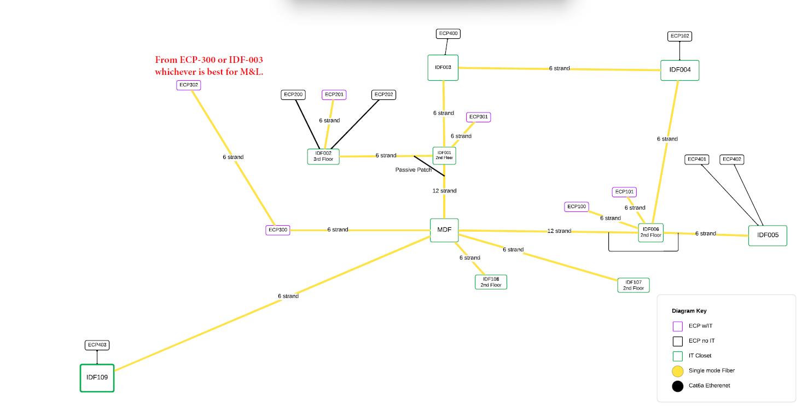

 | MDF Rack Elevation Drawings

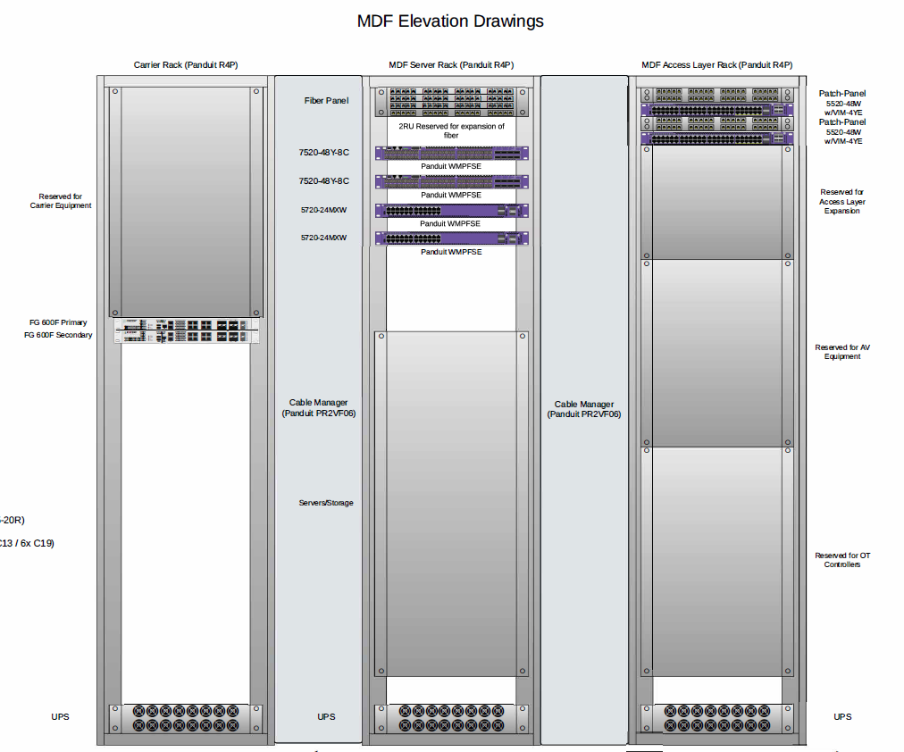

 | IDF Rack Elevation Drawing (Typical)

Cameras
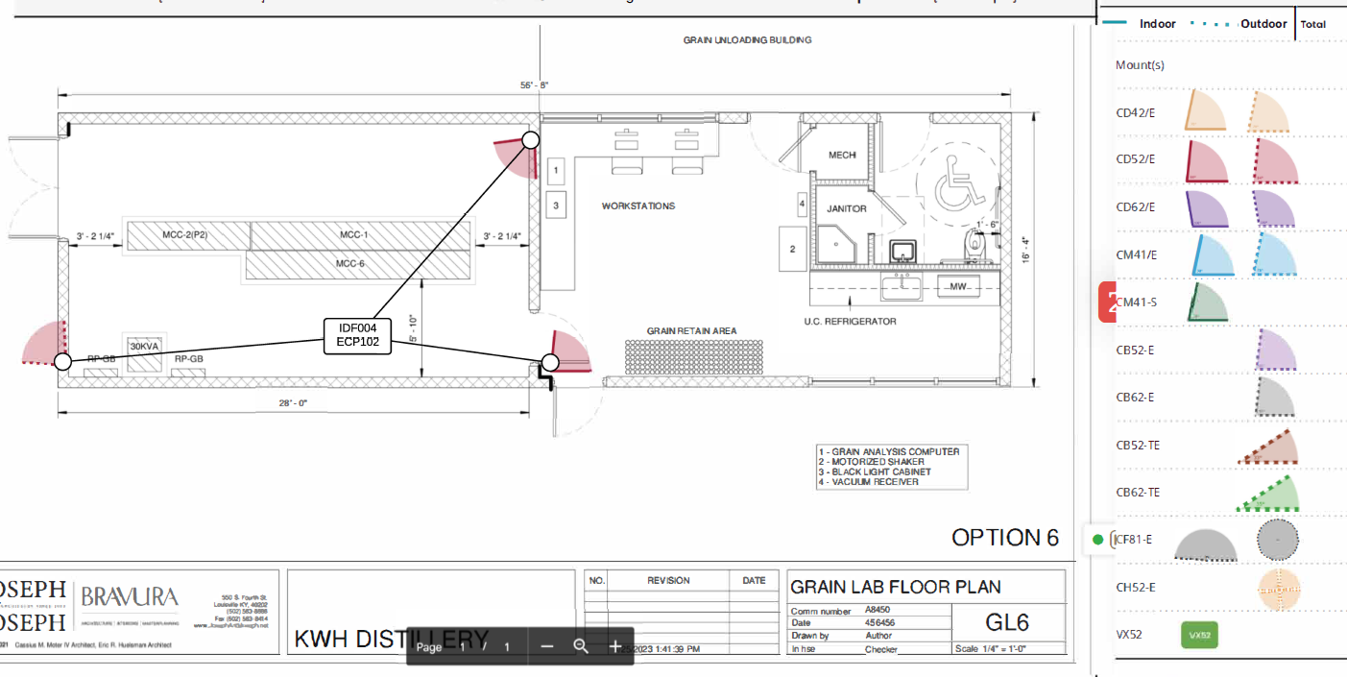
Distillery / Admin / Exterior
Camera Layout

1st Floor:

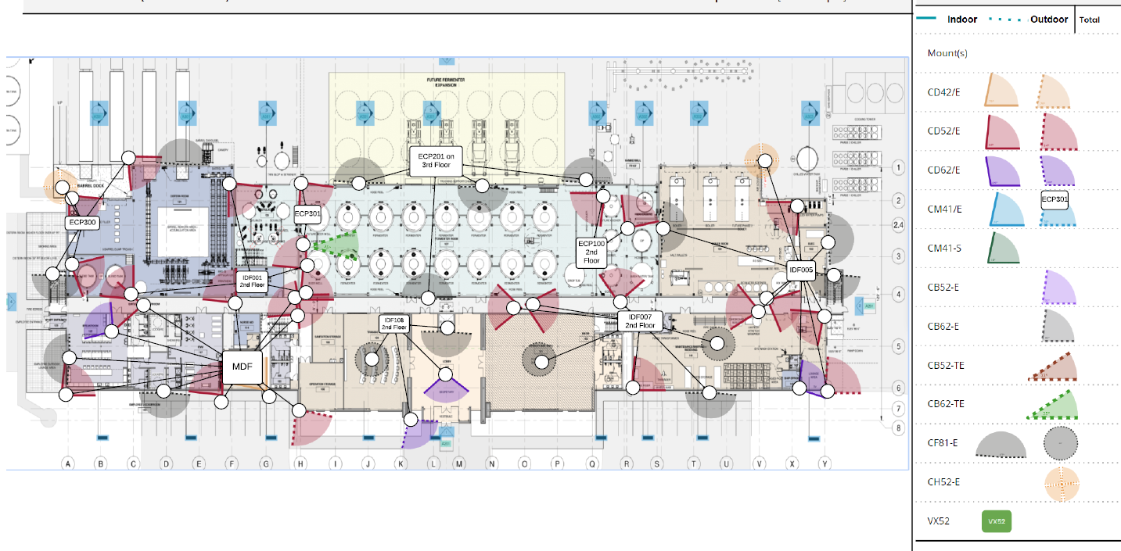

2nd Floor:

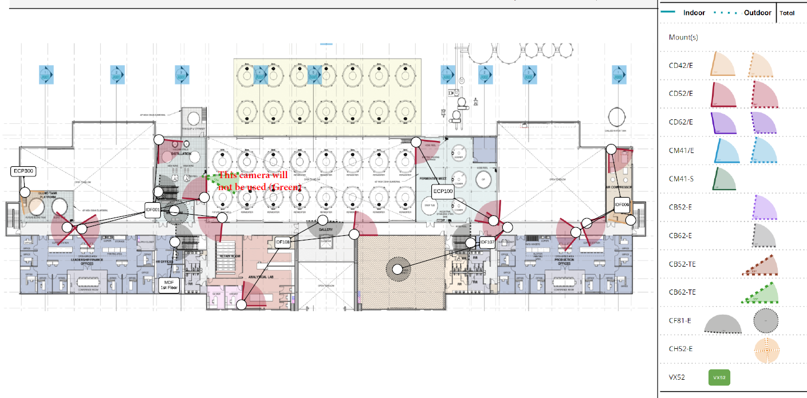

3rd Floor:
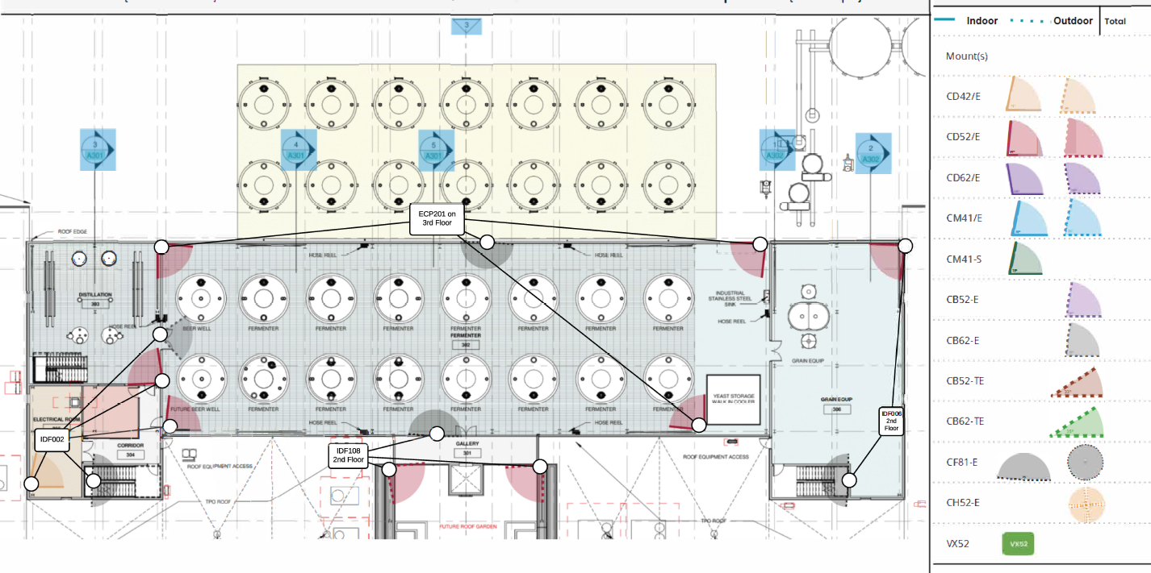

4th Floor:

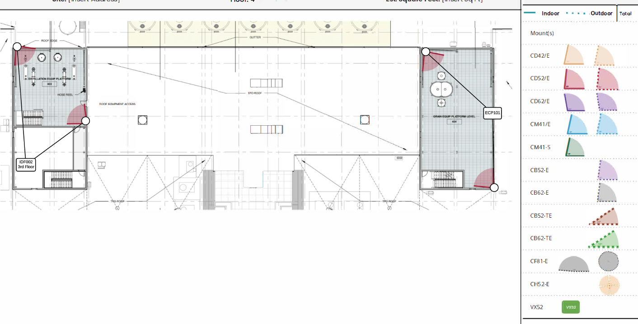

Waste Water Treatment Building Camera Layout
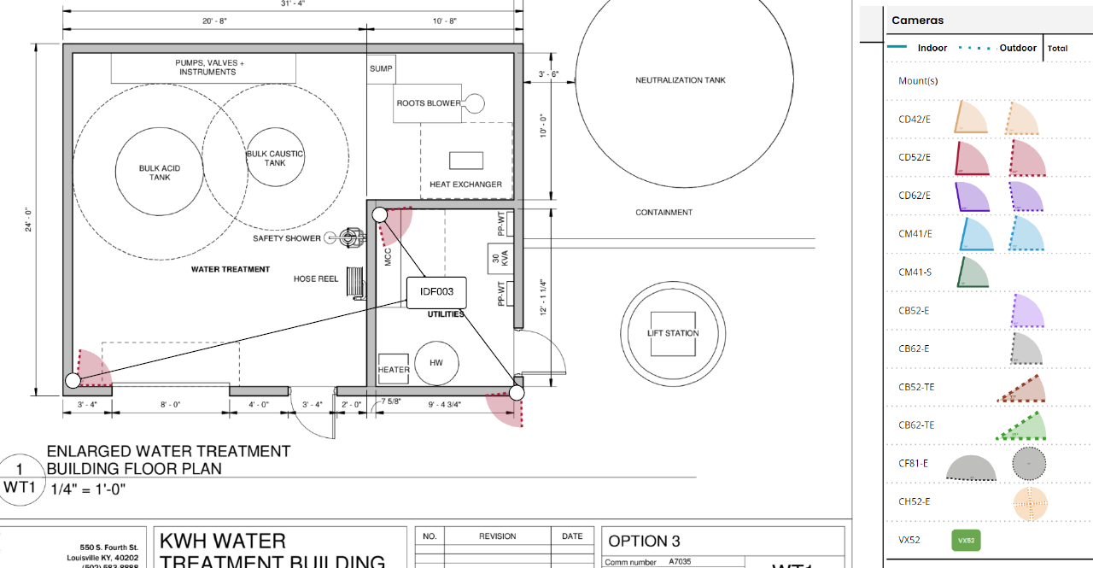

Building Exterior WHK

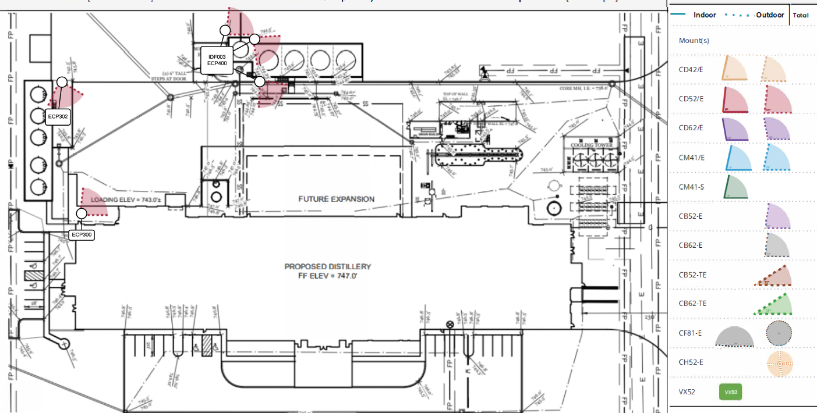

Grain Building Layout:

Wi-Fi
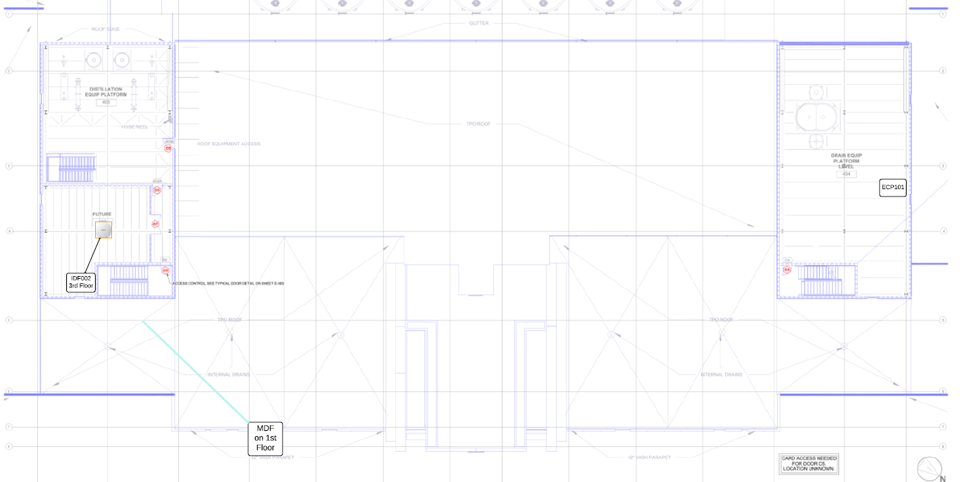
Wi-Fi AP Coverage

Distillery / Admin Area Wi-Fi AP Placement
***Below***
1st Floor
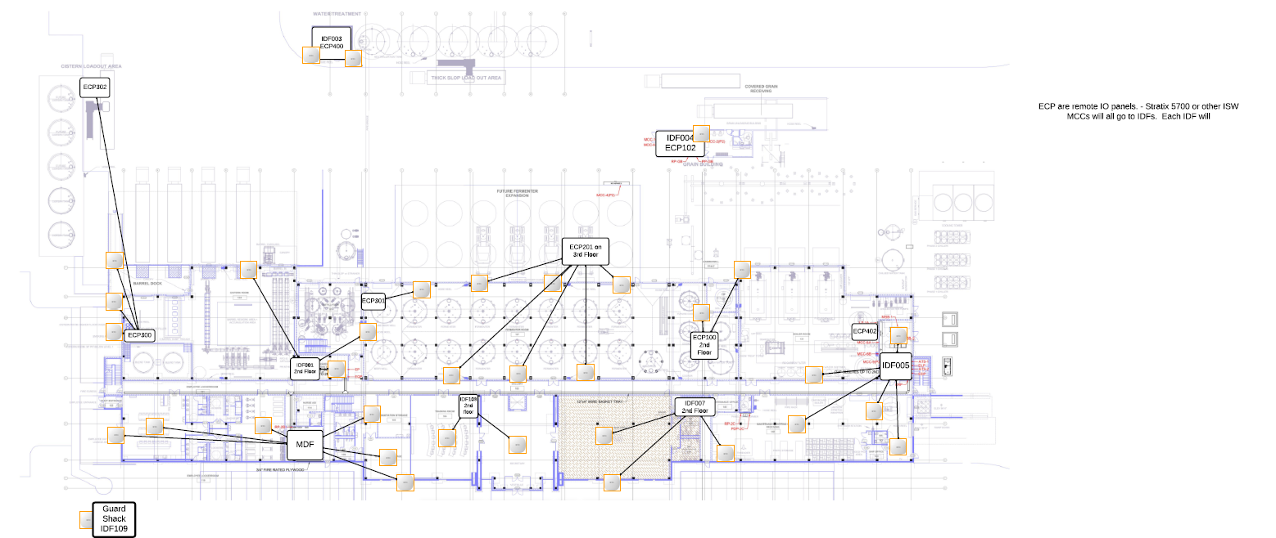

2nd Floor Wi-Fi AP Layout:
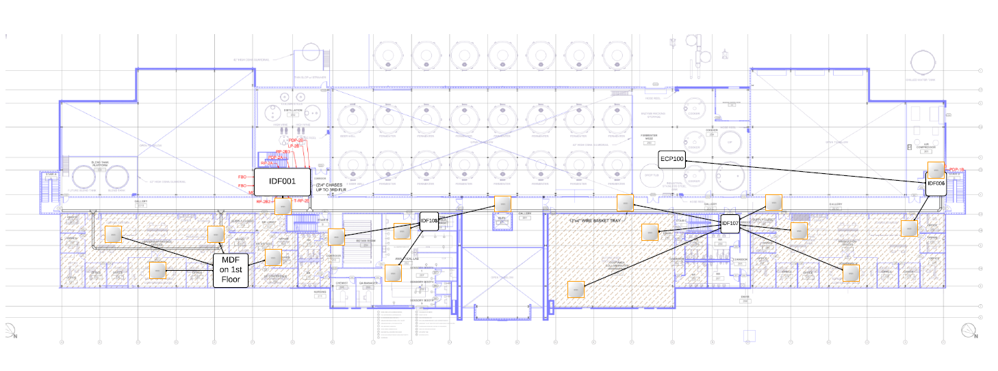

3rd Floor Wi-Fi AP Layout:

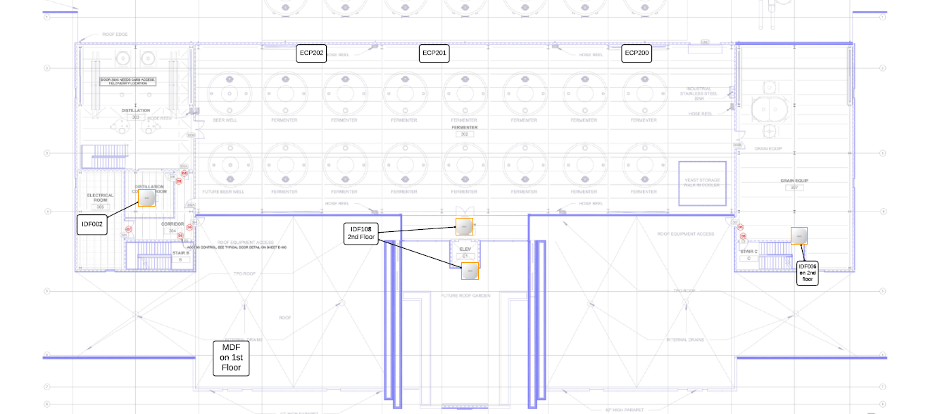

4th Floor Wi-Fi AP Layout:

